Main


CAPSTONE PROJECT REPORT
Integration Test

Direct Sale (Full O2C)
`
Feature | Direct Sale (Full O2C)
Test requirement | Module SD, MM, FI
Number of TCs | 43
Testing Round | Passed | Failed | Pending | N/A
Round 1 | 39 | 1 | 0 | 0
Round 2 | 3 | 0 | 0 | 0
Round 3 | 0 | 0 | 0 | 0

Process | Test Case ID | Test Case Description | Test Case Procedure | Expected Results | Pre-conditions | Round 1 | Test date | Tester | Round 2 | Test date | Tester | Round 3 | Test date | Tester | Note
 | DS-01 | Create SO with valid sales area | Step 1: VA01 enter Sales Area + Customer + Material + Qty → save | SO created successfully | Customer master data and material master data have been created. | Passed | 16/03/2026 | DatNV | Passed |  |  |  |  | 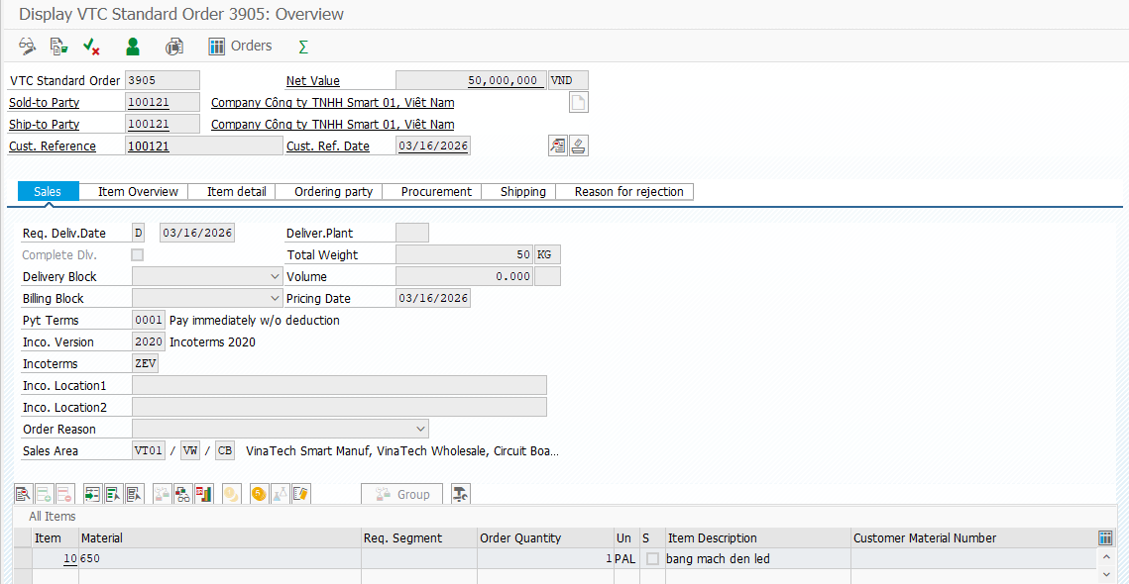
 | DS-02 | Create SO missing customer (negative) | Step 1: VA01 leave Customer blank → enter item → save | System error "Please enter sold-to party or ship-to party", cannot save | order type, sales org, distribution channel, divison have been created. | Passed | 16/03/2026 | DatNV | Passed |  |  |  |  | 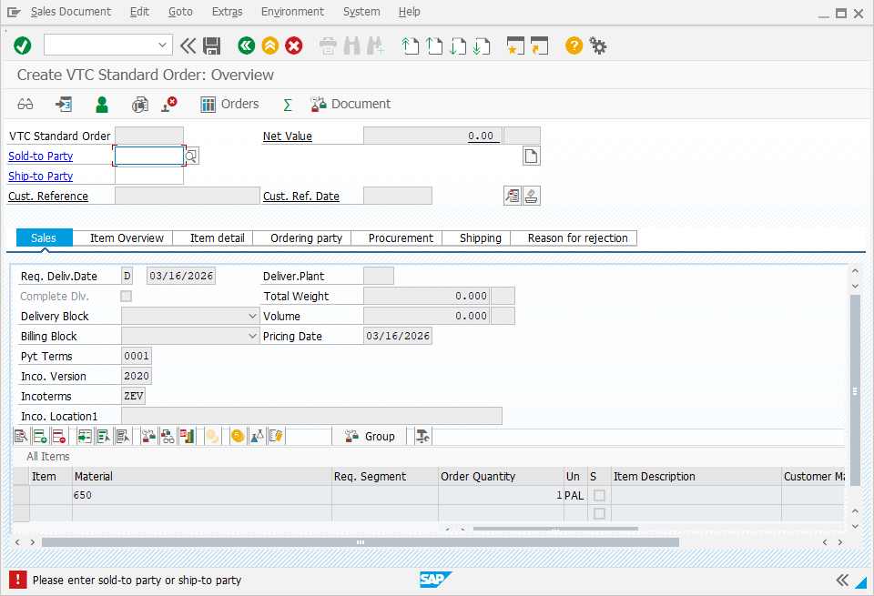
 | DS-03 | Create SO missing material (negative) | Step 1: VA01 enter customer only, no items Step 2: Save | SO save success | order type, sales org, distribution channel, divison have been created. | Passed | 16/03/2026 | DatNV |  |  |  |  |  | 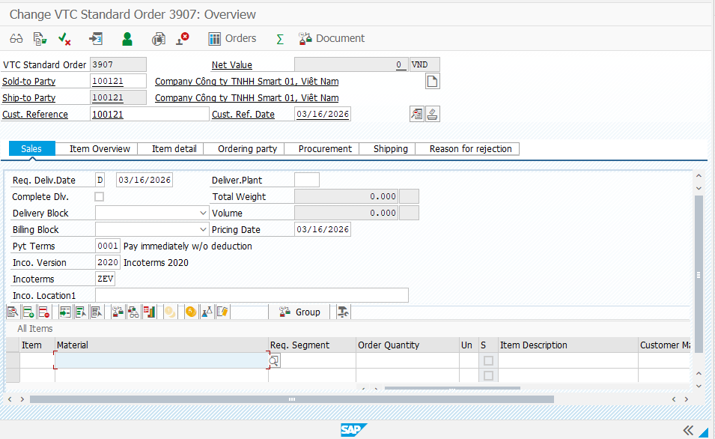
 | DS-04 | Pricing determined correctly | Step 1: VA01 create SO Step 2: Double click in line item Step 3: Go to conditon tab | Pricing conditions PRVT found and applied | order type, sales org, distribution channel, divison, masterial master data have been created. | Passed | 16/03/2026 | DatNV |  |  |  |  |  | 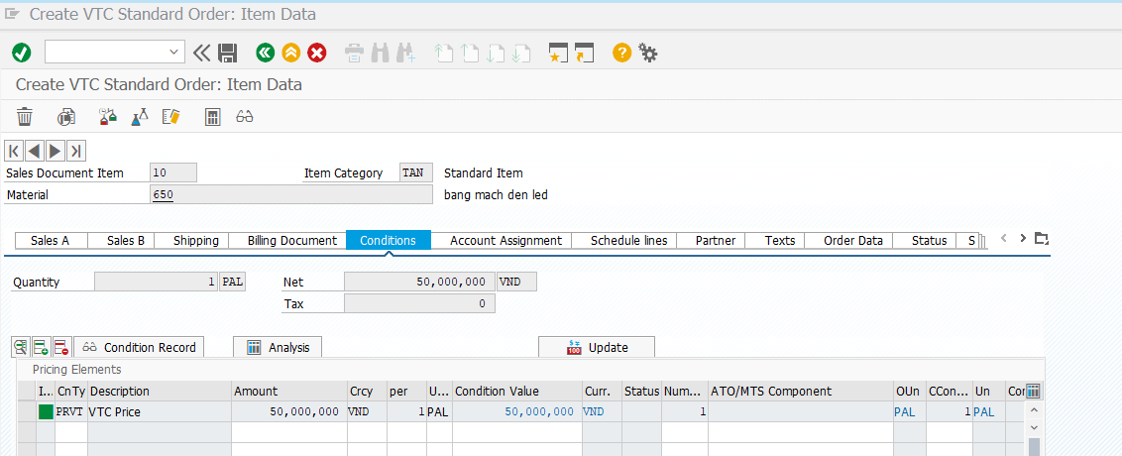
 | DS-05 | Pricing missing PRVT (negative) | Step 1: Disable PRVT condition for scenario Step 2: VA01 create SO and save | System error: "Pricing error: Mandatory condition PRVT is missing" | order type, sales org, distribution channel, divison, masterial master data have been created. | Passed | 16/03/2026 | DatNV |  |  |  |  |  | 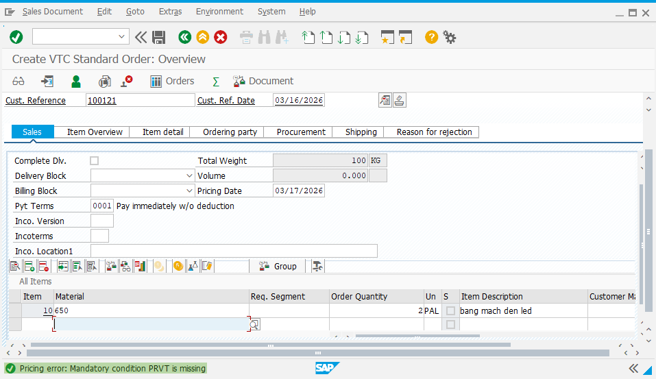
 | DS-06 | Tax calculated correctly in SO | Step 1: Click on search and enter T-Code VA01 Step 2: Enter all correct fields: - Sold-to-party - Ship-to-party - Cust. Reference - Cust. Ref. Date - Pyt Terms - Inco. Version - Incoterms Step 3: Enter Line item Step 4: Double click on item and go to Conditions tab | Tax condition present and calculated | order type, sales org, distribution channel, divison, sale and distribution master data, masterial master data have been created. | Passed | 16/03/2026 | DatNV
 | DS-07 | Outstanding debt acceptable (Yes branch) | Step 1: FBL5N check customer open items (acceptable) Step 2: VA01 create SO | SO creation allowed |  | Passed | 23/03/2026 | SangNV |  |  |  |  |  | 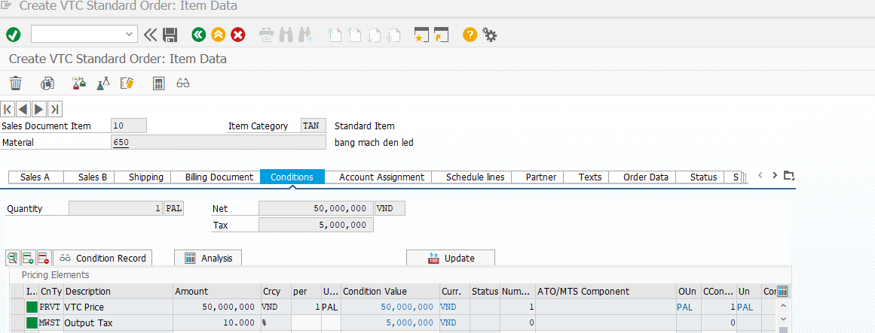 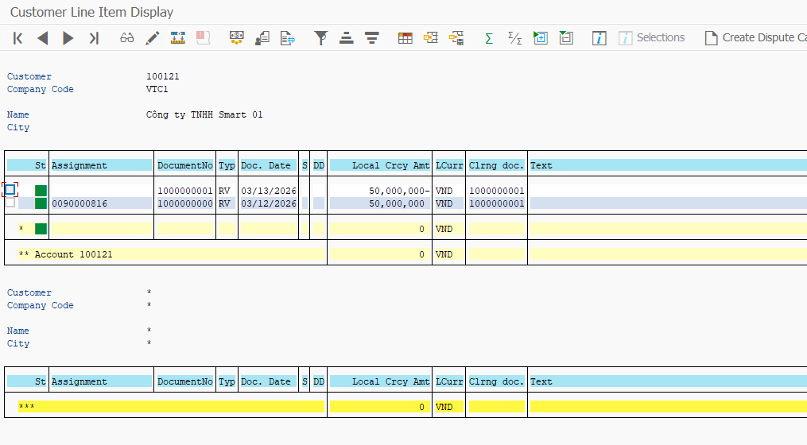 | 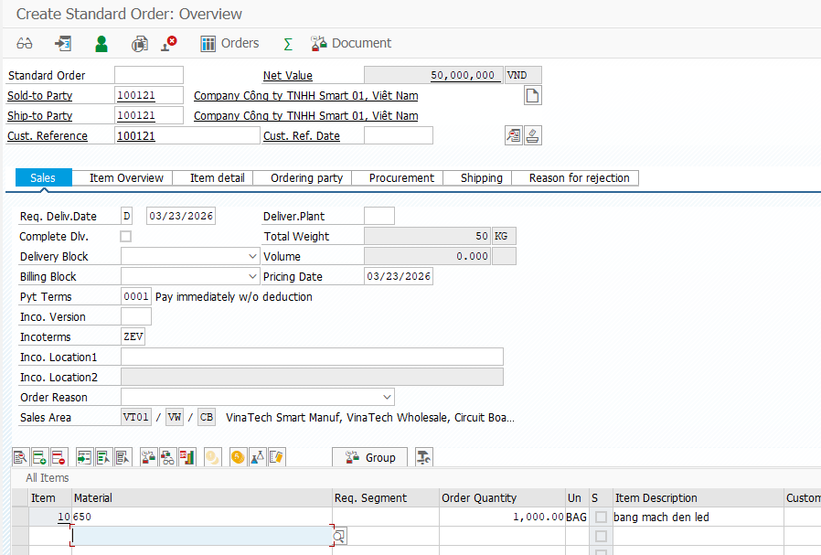
 | DS-08 | Outstanding debt NOT acceptable (No branch) | Step 1: Create overdue/open items exceeding policy Step 2: FBL5N confirm high debt Step 3: VA01 create SO | SO blocked / warning / cannot proceed per policy |  | Passed | 24/03/2026 | SangNV |  |  |  |  |  | 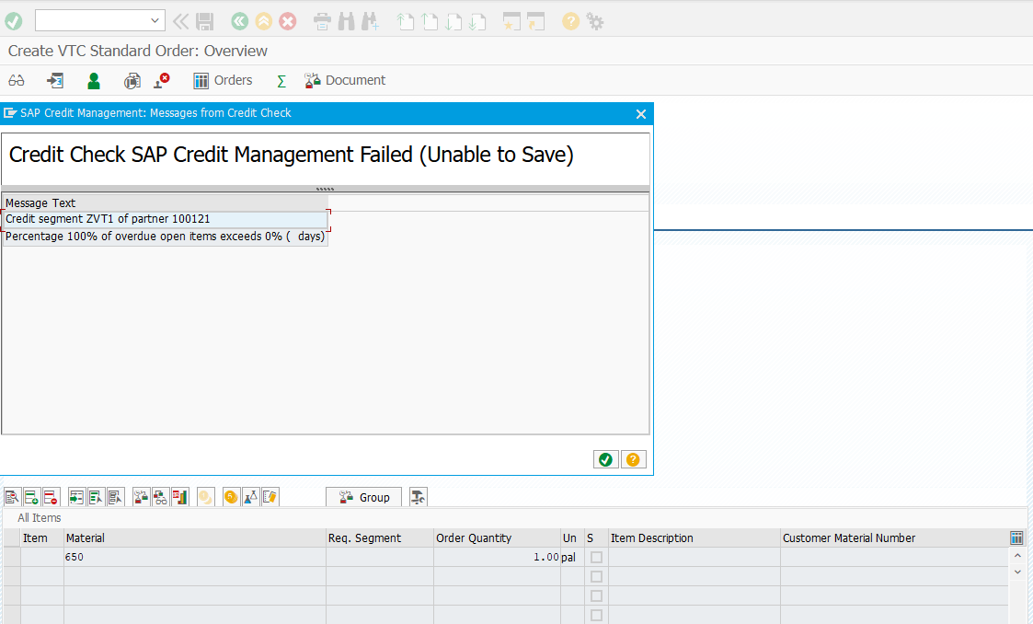
 | DS-09 | ATP sufficient (Yes) | Step 1: Ensure FG00 stock ≥ order qty Step 2: VA01 create SO | SO confirmed/processable |  | Passed | 23/03/2026 | SangNV |  |  |  |  |  |  | 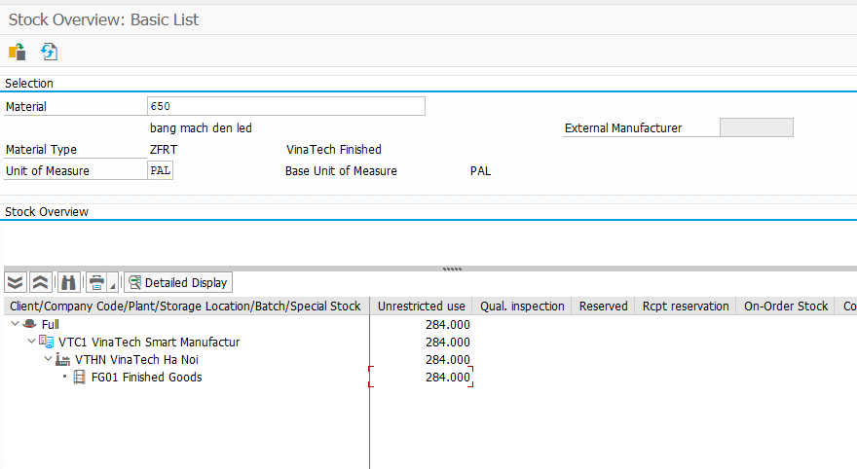
 | DS-10 | ATP insufficient (No) | Step 1: Reduce stock below order qty Step 2: VA01 create SO with qty > stock | ATP shortage message; delivery may not proceed |  | Failed | 24/03/2026 | SangNV | Passed | 14/04/2026 | SangNV |  |  |  | 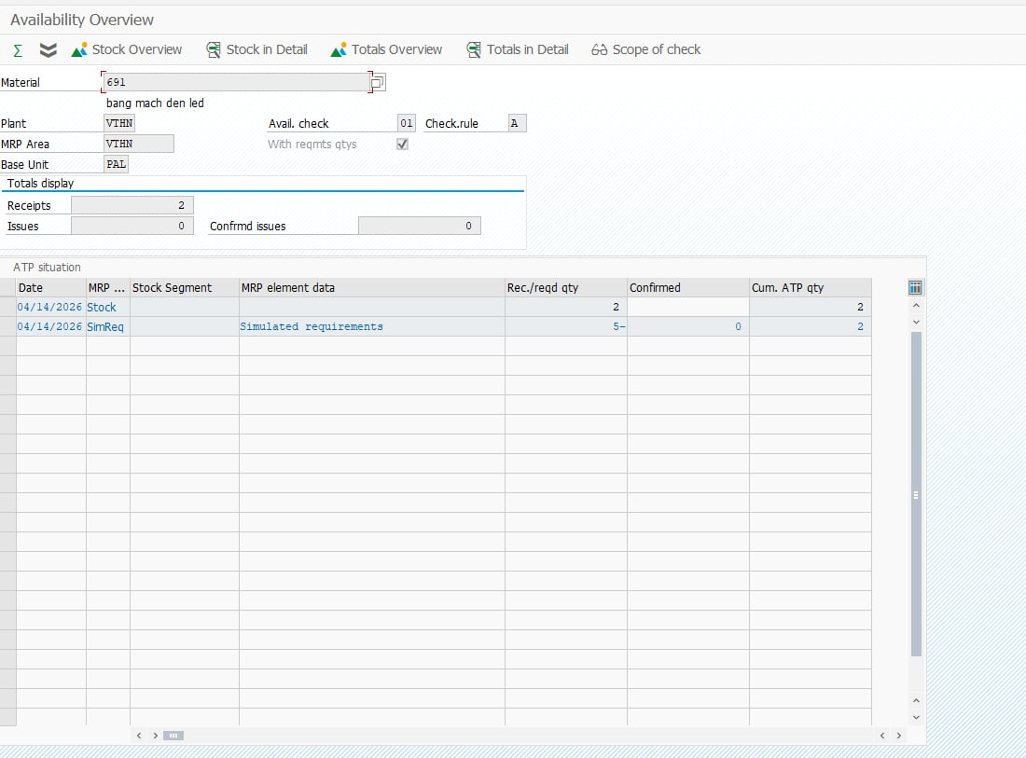
 | DS-11 | Create delivery from SO | Step 1: VL01N reference SO# → create → save | Delivery created and linked to SO | Std + SO exists | Passed | 24/03/2026 | SangNV |  |  |  |  |  | 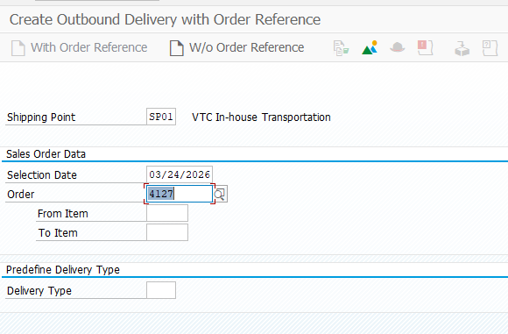 | 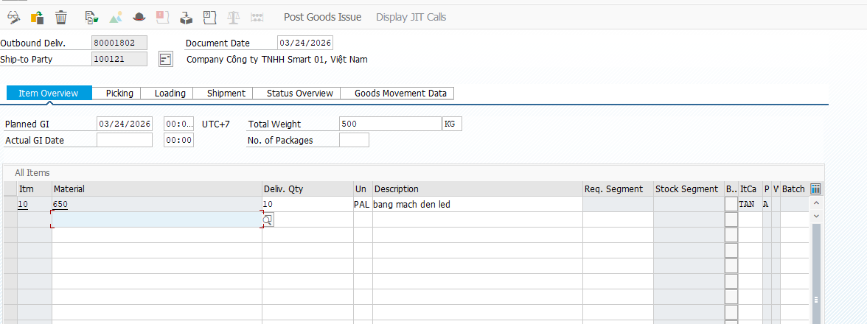
 | DS-12 | Delivery block prevents delivery (negative) | Step 1: VA02 set delivery block on SO Step 2: VL01N attempt create delivery | Delivery cannot be created | Delivery cannot be created | Passed | 25/03/2026 | SangNV |  |  |  |  |  | 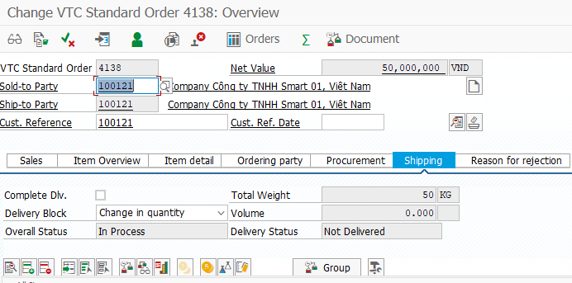 | 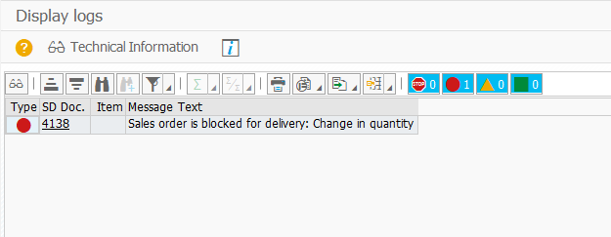
 | DS-13 | Shipping point determined (check) | Step 1: VL01N create delivery Step 2: Check header Shipping Point | Shipping point filled correctly |  | Passed | 25/03/2026 | SangNV |  |  |  |  |  | 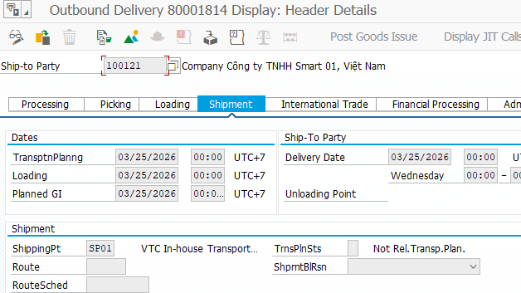
 | DS-14 | Delivery via SP01 determination | Step 1: Prepare SO conditions to trigger SP01 Step 2: VA01 create SO Step 3: VL01N create delivery | Shipping Point = SP01 | SP01 determination configured | Passed | 25/03/2026 | SangNV |  |  |  |  |  | 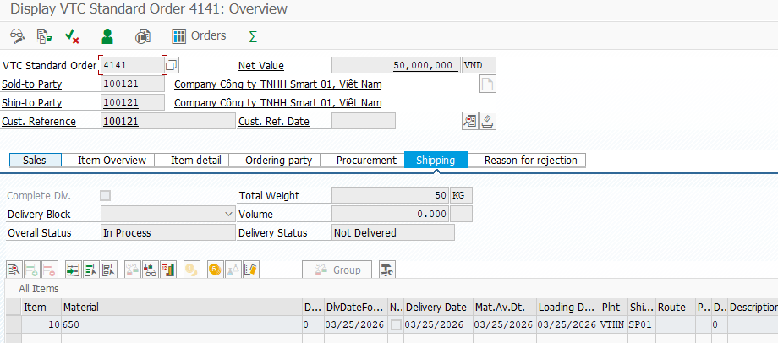 | 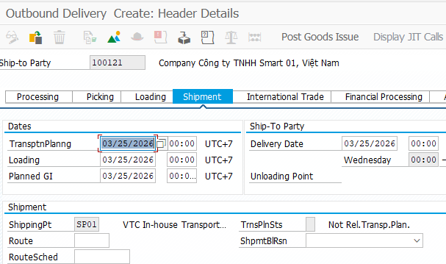
 | DS-15 | Delivery via SP02 determination | Step 1: Prepare SO conditions to trigger SP02 Step 2: VA01 create SO Step 3: VL01N create delivery | Shipping Point = SP02 | SP02 determination configured | Passed | 14/04/2026 | SangNV |  |  |  |  |  | 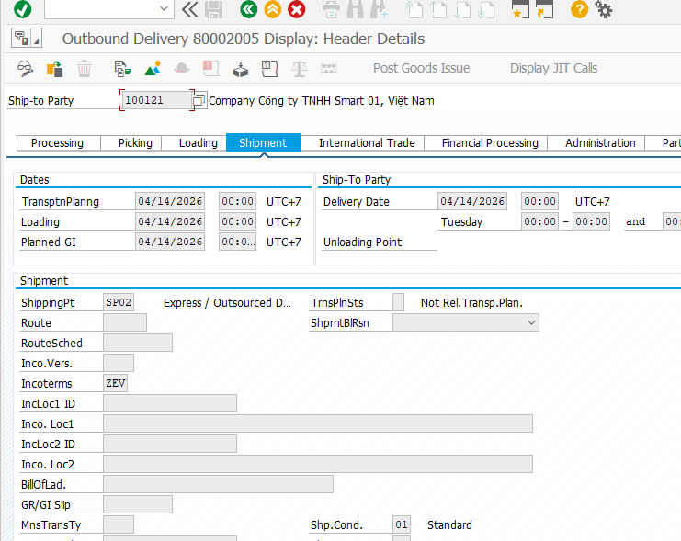
 | DS-16 | Picking completed | Step 1: VL02N open DLV# Step 2: Enter picked qty = 100% → save | Picking status updated | Picking relevant | Passed | 25/03/2026 | SangNV |  |  |  |  |  | 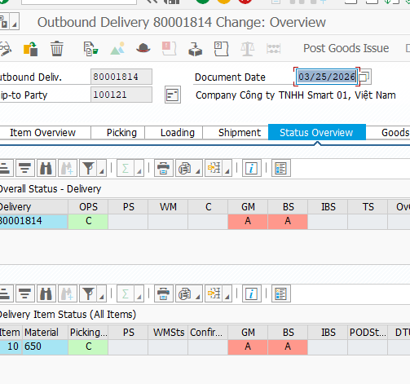
 | DS-17 | PGI blocked when picking required (negative) | Step 1: VL02N keep picked qty = 0 Step 2: Try Post PGI | PGI blocked/error (if picking mandatory) | Picking mandatory config | Passed | 25/03/2026 | SangNV |  |  |  |  |  |  | 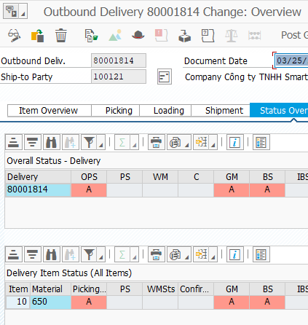
 | DS-18 | Packing completed | Step 1: VL02N open DLV# Step 2: Pack items → save | Packing status updated | Packing used | Passed | 25/03/2026 | SangNV |  |  |  |  |  | 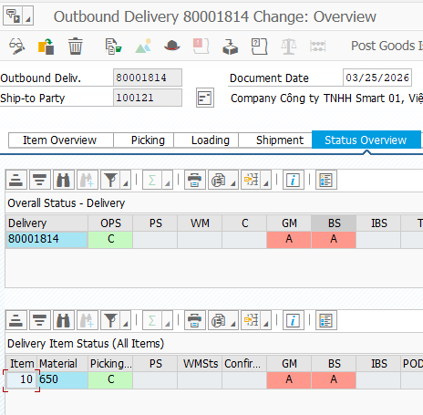
 | DS-19 | PGI 100% success | Step 1: VL02N open DLV# Step 2: Post PGI → save | GI posted; stock reduced |  | Passed | 26/03/2026 | SangNV |  |  |  |  |  | 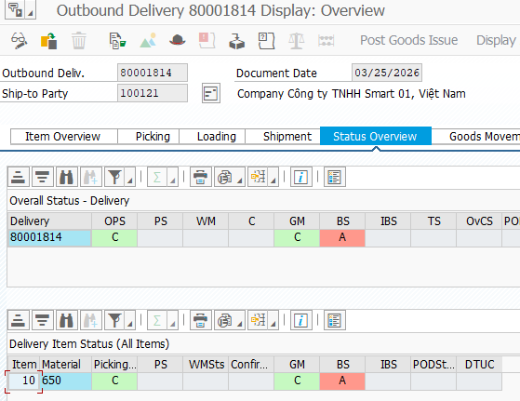
 | DS-20 | PGI fails due to insufficient stock (negative) | Step 1: Reduce stock after delivery creation Step 2: VL02N try PGI | PGI error; GI not posted | PGI error; GI not posted | Passed | 26/03/2026 | SangNV |  |  |  |  |  | 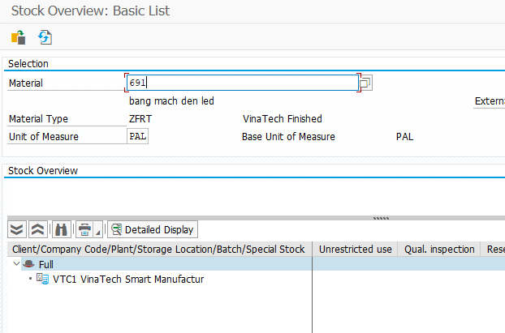 | 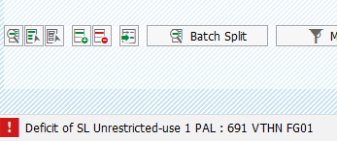
 | DS-21 | PGI fails due to period closed (negative) | Step 1: Close posting period for goods movement (system scenario) Step 2: VL02N try PGI | Posting period error; PGI not posted | Period closed | Passed | 26/03/2026 | SangNV
 | DS-22 | Document flow SO → Delivery exists | Step 1: VA03 open SO# Step 2: Display Document Flow | Delivery appears in flow | SO+DLV exist | Passed | 26/03/2026 | SangNV |  |  |  |  |  | 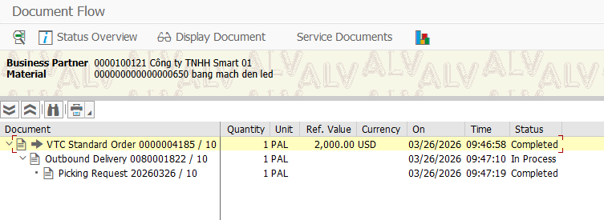
 | DS-23 | Create billing from delivery | Step 1: Ensure PGI posted Step 2: VF01 ref DLV# → save INV# | Invoice created | PGI done | Passed | 26/03/2026 | SangNV
 | DS-24 | Billing blocked (billing block) | Step 1: Set billing block (SO/Delivery) per scenario Step 2: VF01 attempt billing | Billing blocked/error | Billing block set | Passed | 26/03/2026 | SangNV |  |  |  |  |  |  | 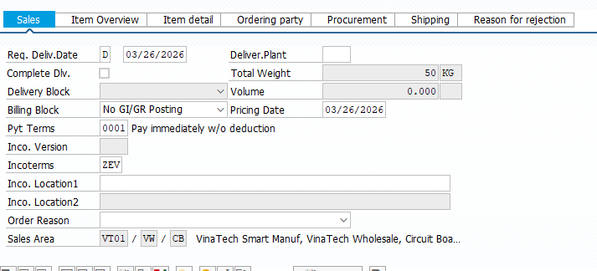
 | DS-25 | Billing fails due to VKOA missing | Step 1: Remove VKOA mapping for scenario Step 2: VF01 create billing | Account determination error | VKOA missing | Passed | 26/03/2026 | SangNV
 | DS-26 | Billing posts FI document | Step 1: VF03 open INV# → Accounting doc ref Step 2: FB03 display FI doc | FI accounting document exists | INV exists | Passed | 26/03/2026 | SangNV |  |  |  |  |  | 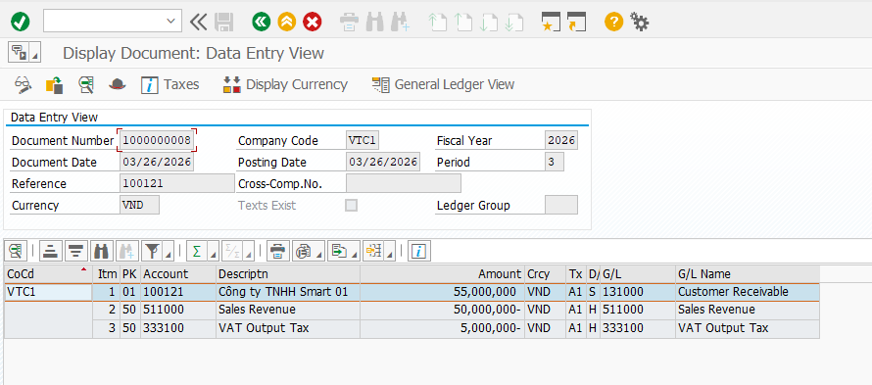
 | DS-27 | AR open item created after billing | Step 1: FBL5N check customer open items | INV# appears as Open item |  | Passed | 26/03/2026 | SangNV |  |  |  |  |  | 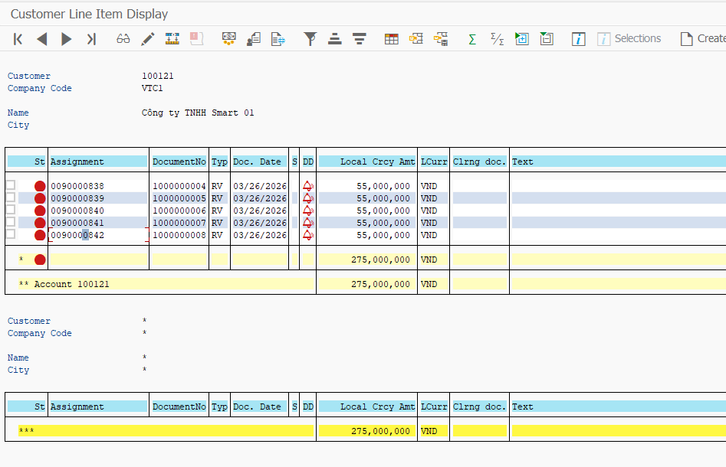
 | DS-28 | Incoming payment clears invoice | Step 1: F-28 enter customer + amount full Step 2: Select INV# → Post | INV cleared | INV open item exists | Passed | 26/03/2026 | SangNV |  |  |  |  |  |  | 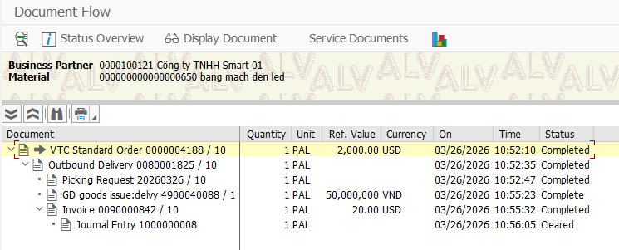
 | DS-29 | Payment short amount (negative branch) | Step 1: F-28 pay less than invoice Step 2: Post | Invoice remains open/partially cleared (per config) |  | Passed | 26/03/2026 | SangNV |  |  |  |  |  |  | 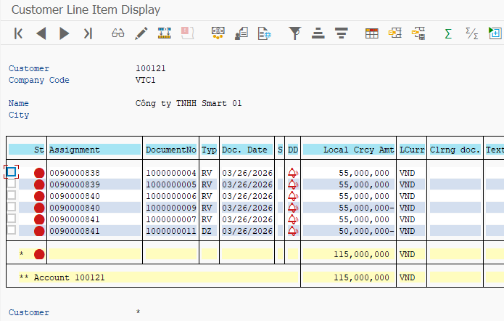
 | DS-30 | Payment posted to wrong customer (negative) | Step 1: F-28 choose wrong customer Step 2: Try to clear target INV# | Cannot clear target invoice |  | Passed | 26/03/2026 | SangNV |  |  |  |  |  |  | 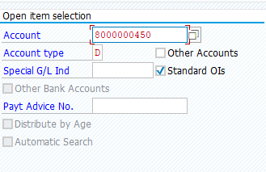
 | DS-31 | Verify cleared status in FBL5N | Step 1: After DS-30, FBL5N → cleared items | INV# appears in Cleared items |  | Passed | 27/03/2026 | SangNV
 | DS-32 | Reverse payment (FB08) | Step 1: Post payment & clearing (DS-30) Step 2: FB08 reverse clearing/payment doc Step 3: FBL5N check invoice | Invoice becomes open again | Reversal allowed | Passed | 29/03/2026 | SangNV |  |  |  |  |  | 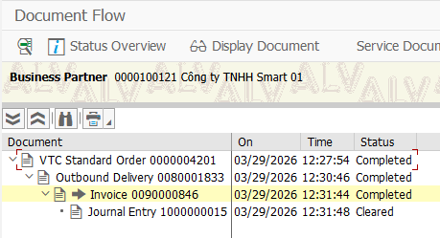 | 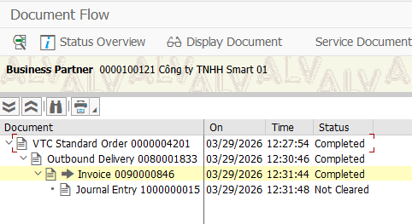
 | DS-33 | Cancel billing document | Step 1: Create billing INV# Step 2: VF11 cancel invoice Step 3: Check FI reversal | Billing cancelled and FI reversed | INV exists; period open | Passed | 29/03/2026 | SangNV |  |  |  |  |  | 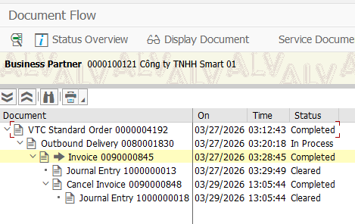
 | DS-34 | Multi-item SO full O2C | Step 1: VA01 create SO with 2 items Step 2: VL01N create delivery Step 3: VL02N PGI 100% Step 4: VF01 bill 100% Step 5: F-28 clear | Both items completed end-to-end |  | Passed | 30/03/2026 | SangNV |  |  |  |  |  | 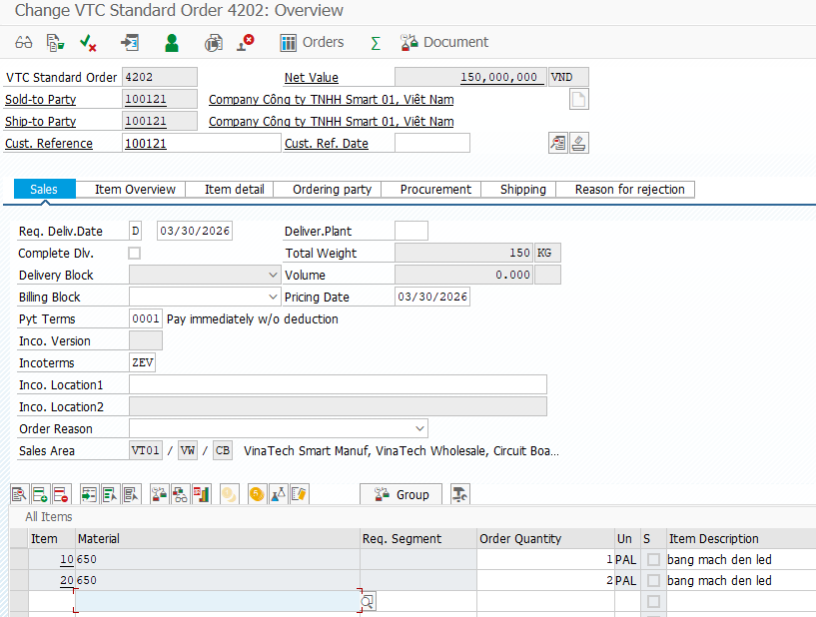 | 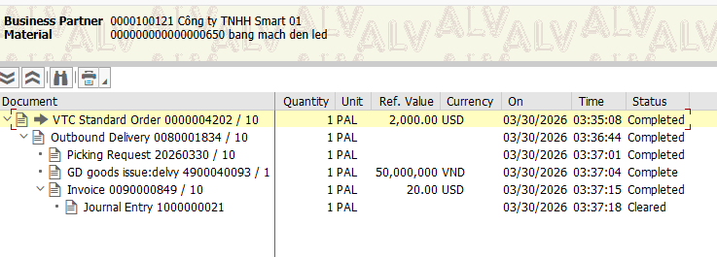
 | DS-35 | Run O2C for Division CB | Step 1: VA01 select Division CB Step 2: Complete DS-01 flow | Completed for CB |  | Passed | 30/03/2026 | SangNV |  |  |  |  |  | 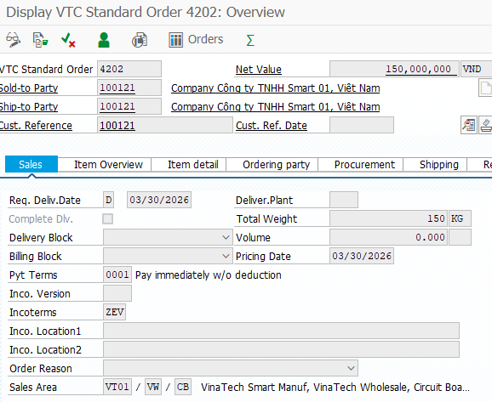
 | DS-36 | Run O2C for Division EC | Step 1: VA01 select Division EC Step 2: Complete DS-01 flow | Completed for EC |  | Passed | 30/03/2026 | SangNV |  |  |  |  |  | 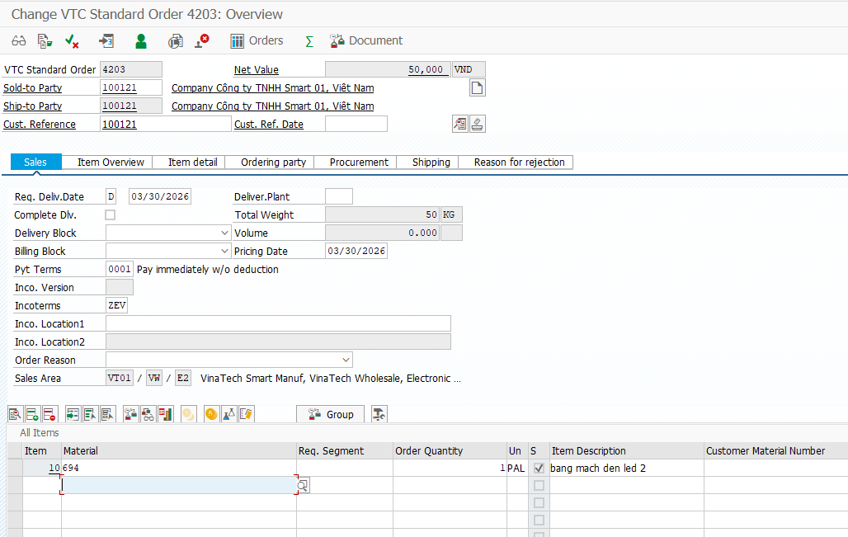
 | DS-37 | Plant VTHN fulfillment | Step 1: Create SO for Plant VTHN Step 2: Complete O2C | Plant on delivery = VTHN | Plant data ready | Passed | 30/03/2026 | SangNV |  |  |  |  |  | 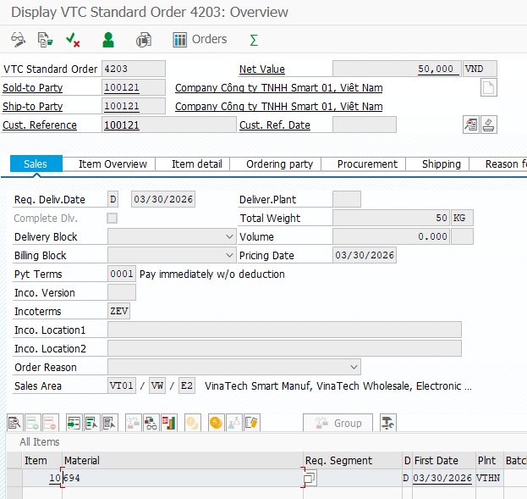
 | DS-38 | Storage location FG01 used | Step 1: Create delivery Step 2: VL02N check item SLoc = FG01 Step 3: PGI | PGI uses FG01 stock | Stock in FG01 | Passed | 30/03/2026 | SangNV |  |  |  |  |  |  | 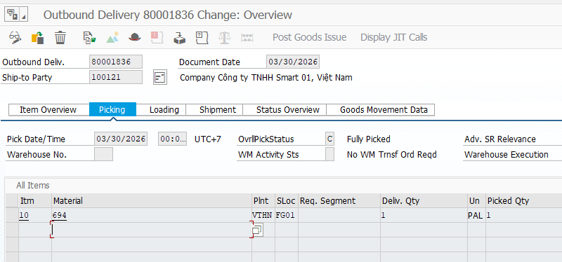
 | DS-39 | FI posting blocked when OB52 closed | Step 1: Close FI posting period (OB52) for date Step 2: Try VF01 billing | Billing FI posting blocked | FI period closed | Passed | 30/03/2026 | SangNV |  |  |  |  |  | 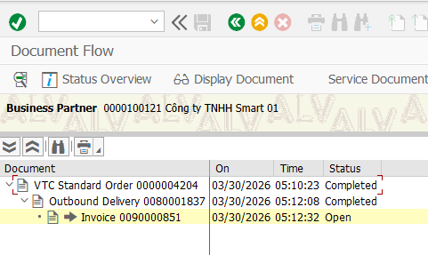
 | DS-40 | Payment terms applied correctly | Step 1: VA01 create SO → header terms Step 2: VF01 create invoice → check terms | Payment terms shown correctly |  | Passed | 30/03/2026 | SangNV |  |  |  |  |  | 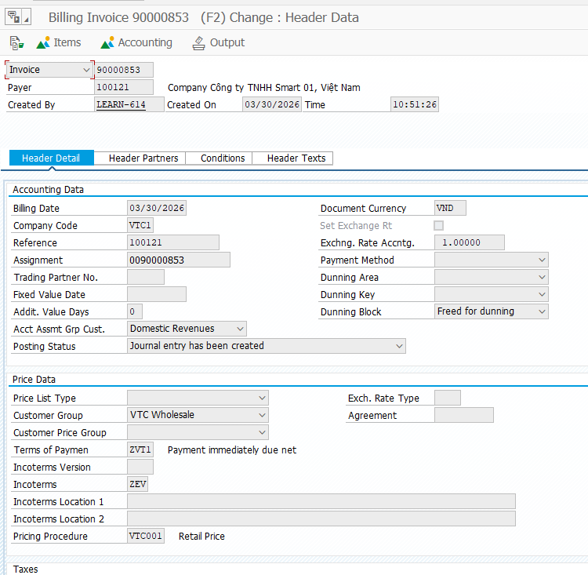

MM – Warehouse Release
Feature | MM Flow 3 – Warehouse Release
Test requirement | MM-BP-01: Receive Request → Validate → Create OD → Quality Check → PGI → Verify
Number of TCs | 40
Testing Round | Passed | Failed | Pending | N/A
Round 1 | 34 | 3 | 0 | 0
Round 2 | 3 | 0 | 0 | 0
Round 3 | 0 | 0 | 0 | 0

Process | Test Case ID | Test Case Description | Test Case Procedure | Expected Results | Pre-conditions | Round 1 | Test date | Tester | Round 2 | Test date | Tester | Round 3 | Test date | Tester | Note
Receive & Validate Request | MM-WR-01 | Valid delivery request – 650, 1 EA, VTHN, sufficient stock | Step 1: Warehouse receives SO from SD (VA03) Step 2: Verify: Customer=100121, Material=650, Qty=1 pal, VTHN Step 3: MMBE: VTHN/FG01 ≥ 1 pal Step 4: Confirm request valid | Stock ≥ 1 PAL confirmed. Request valid. Proceed to create OD. | SO exists. Stock ≥ 1 at VTHN/FG01 | Passed | 2026-03-20 | QuyNT |  |  |  |  |  |  | 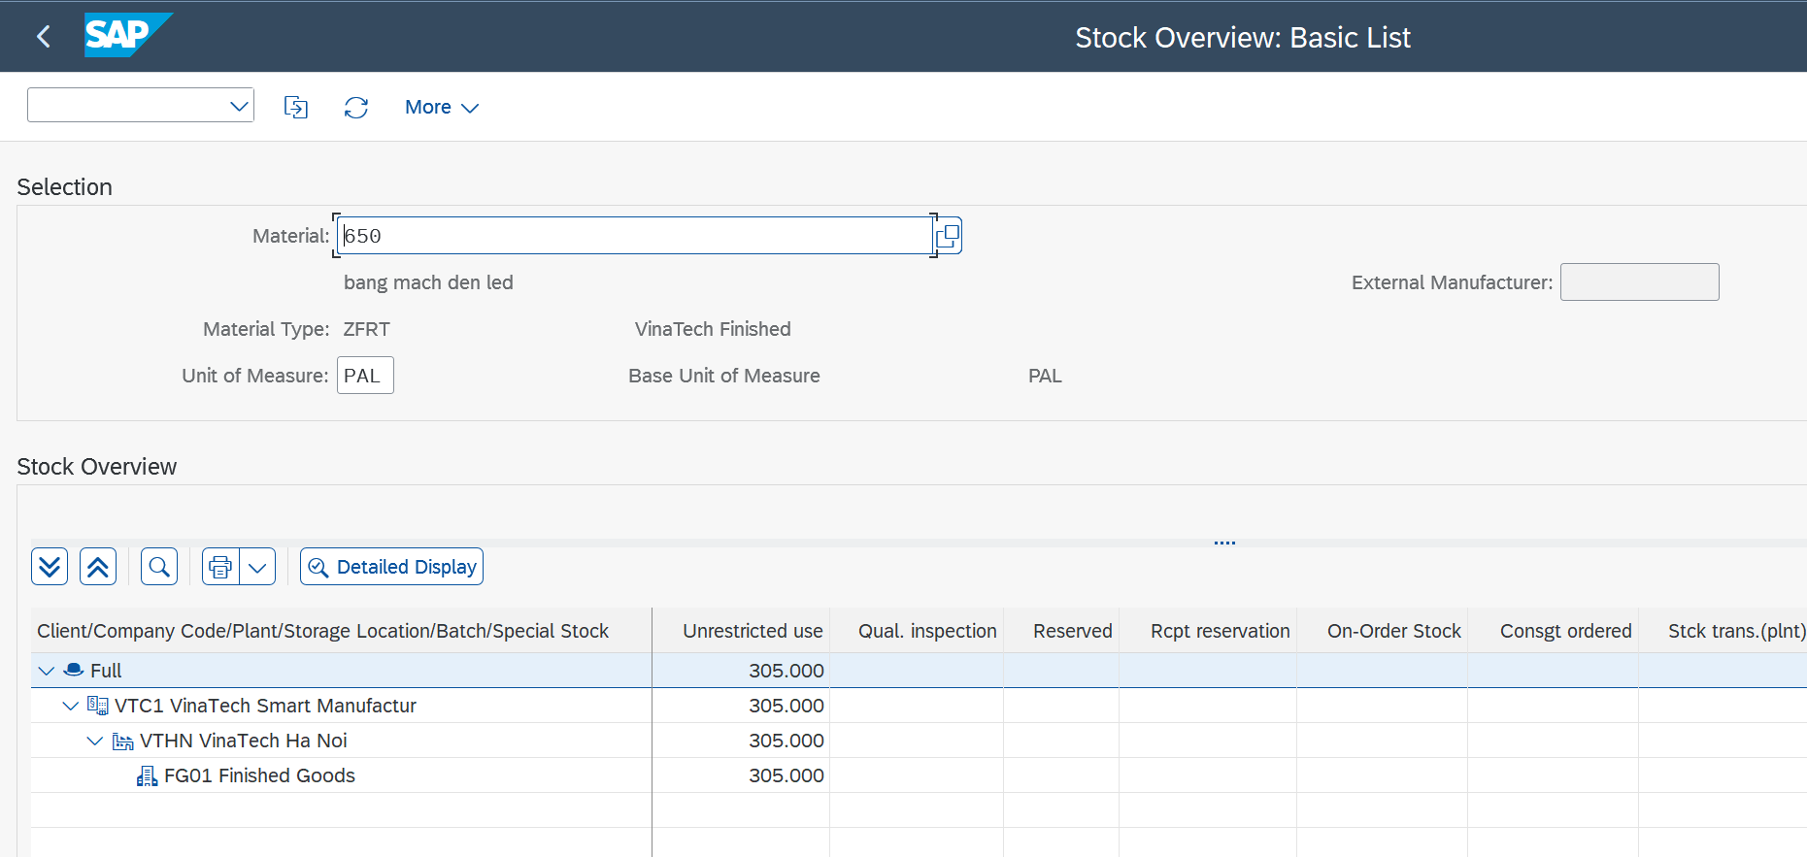
Receive & Validate Request | MM-WR-02 | Valid delivery request – 650, 30 EA at VTHN | Step 1: Check SO: 650, 1pal, VTHN Step 2: MMBE: VTHN/FG01 ≥ 30 EA Step 3: Confirm valid | VTHC stock ≥ 1pal. Request valid. | SO exists, 650 at VTHN | Passed | 2026-03-23 | QuyNT |  |  |  |  |  |  | 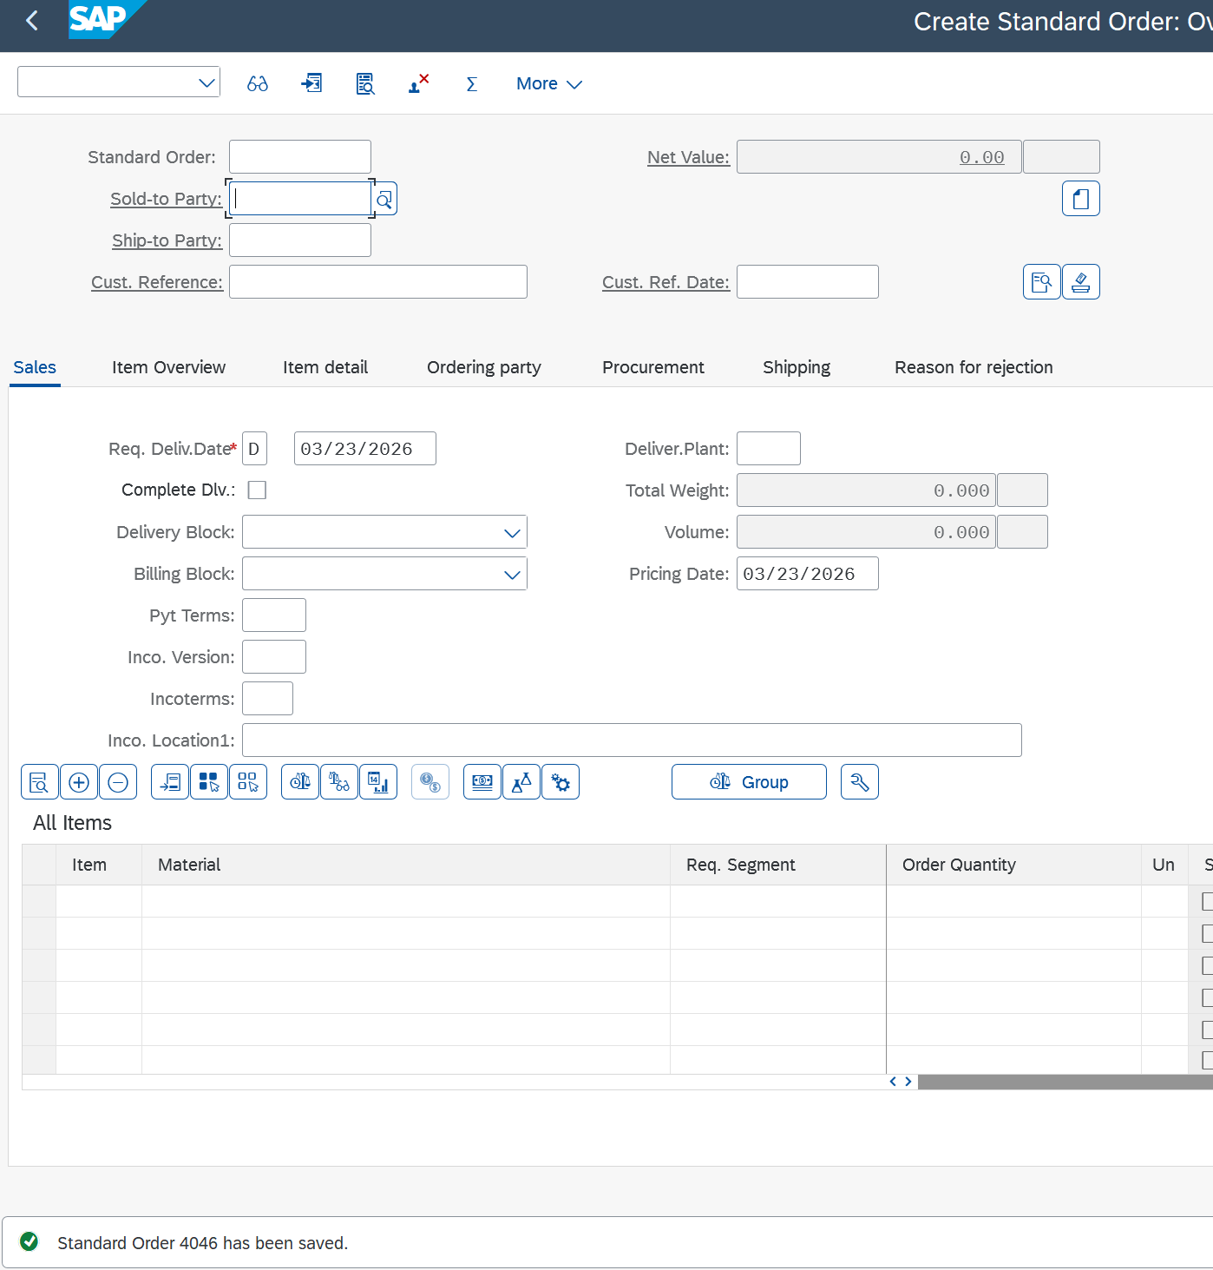 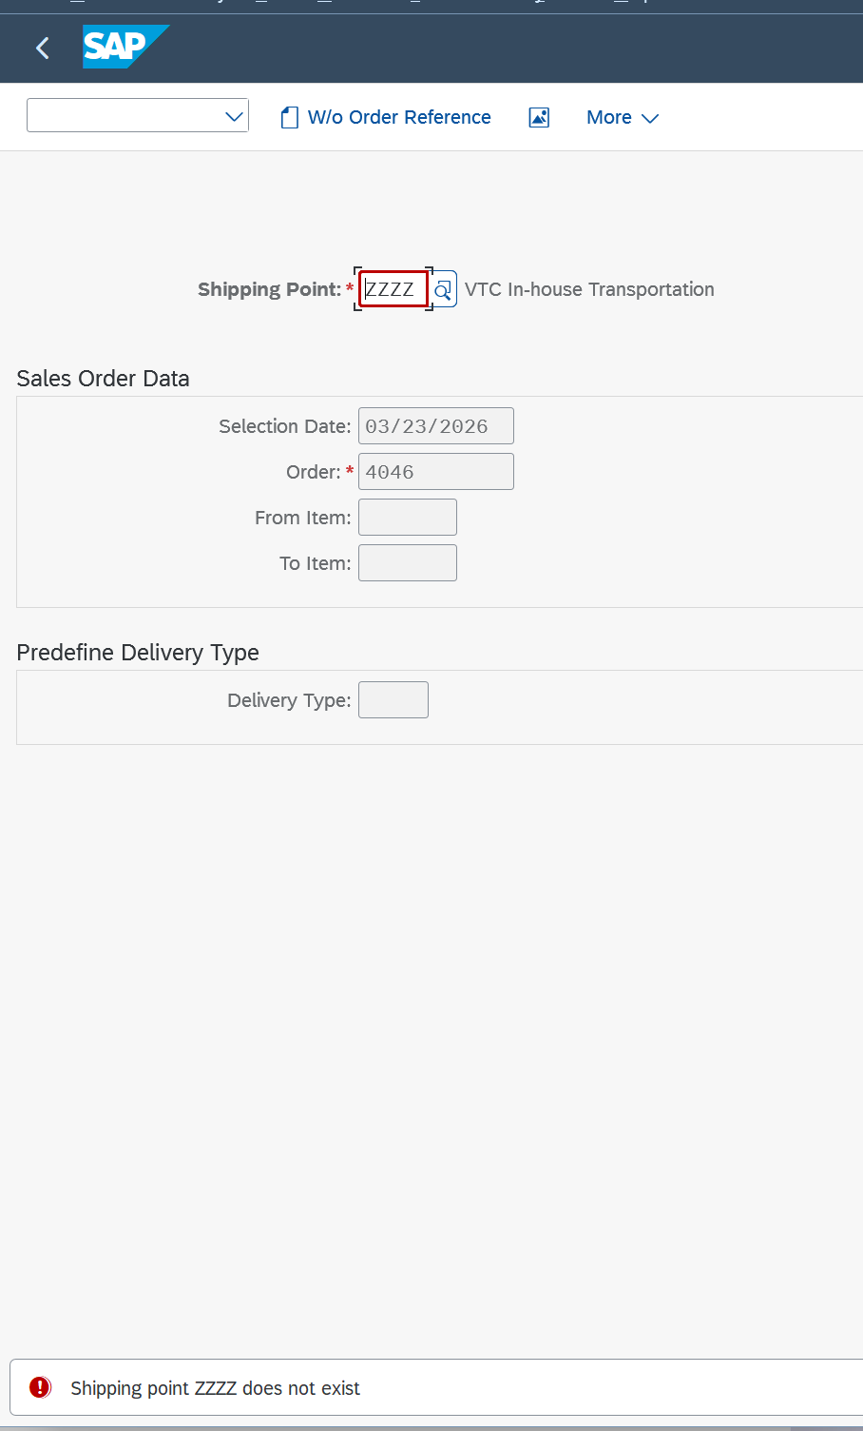 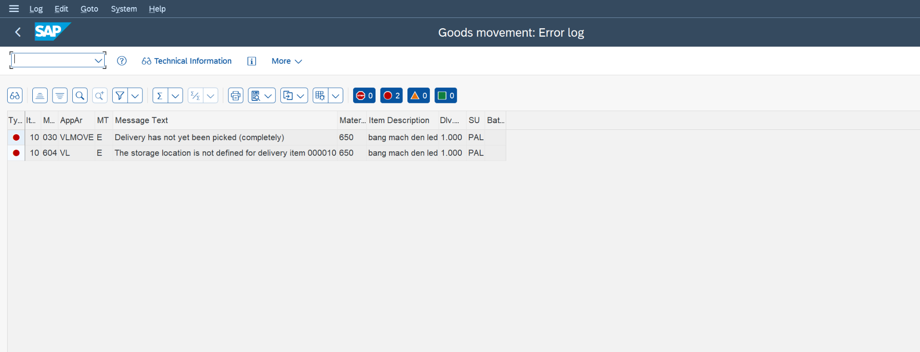
Receive & Validate Request | MM-WR-03 | Invalid request – Storage Location missing on SO (negative test) | Step 1: Receive SO with no SLoc Step 2: Warehouse identifies missing info Step 3: Notify Sales to correct | Request rejected. Sales notified: SLoc missing. No OD created. | SO with missing SLoc | Failed | 2026-03-23 | QuyNT | Passed | 2026-04-21 | QuyNT |  |  |  | 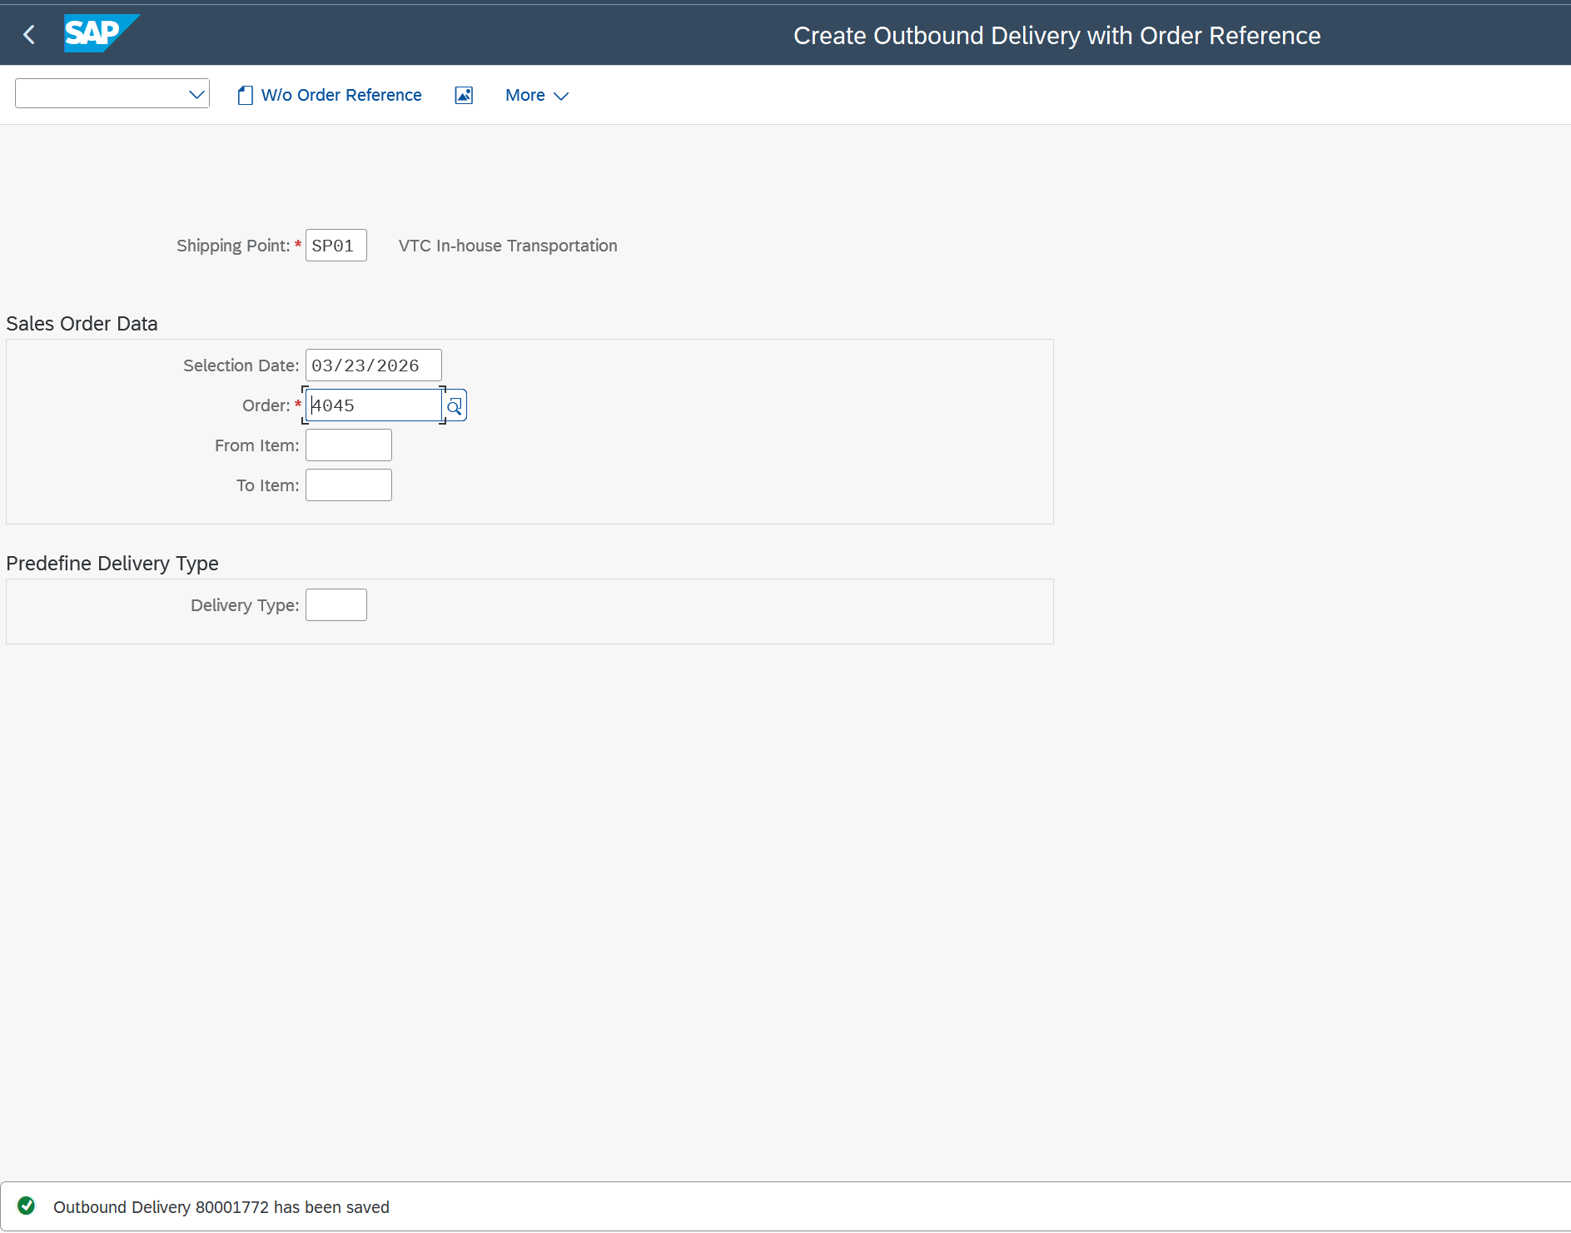
Receive & Validate Request | MM-WR-04 | Invalid request – delivery date already passed (negative test) | Step 1: SO delivery date=23/03/2026 Step 2: Warehouse flags past date Step 3: Notify Sales | Request flagged. Sales notified to update date. No OD. | SO with past delivery date | Passed | 2026-03-23 | QuyNT |  |  |  |  |  |  | 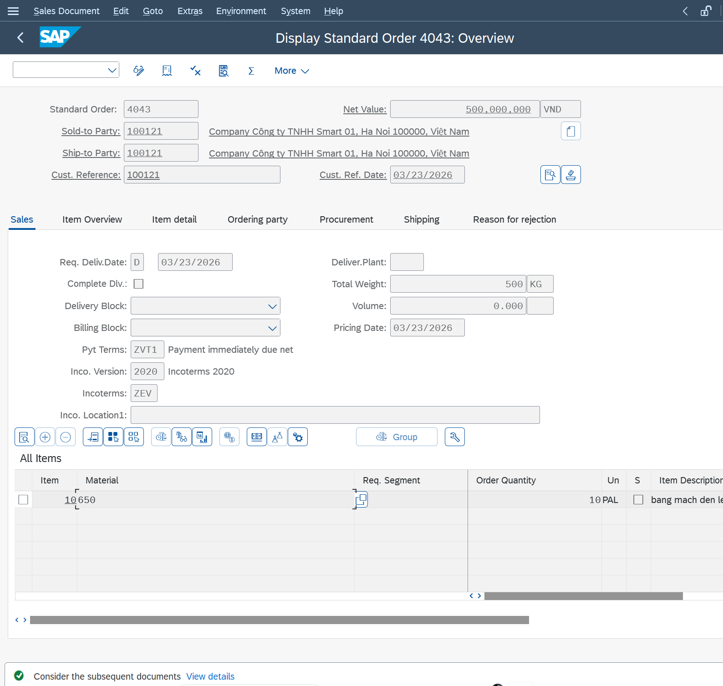 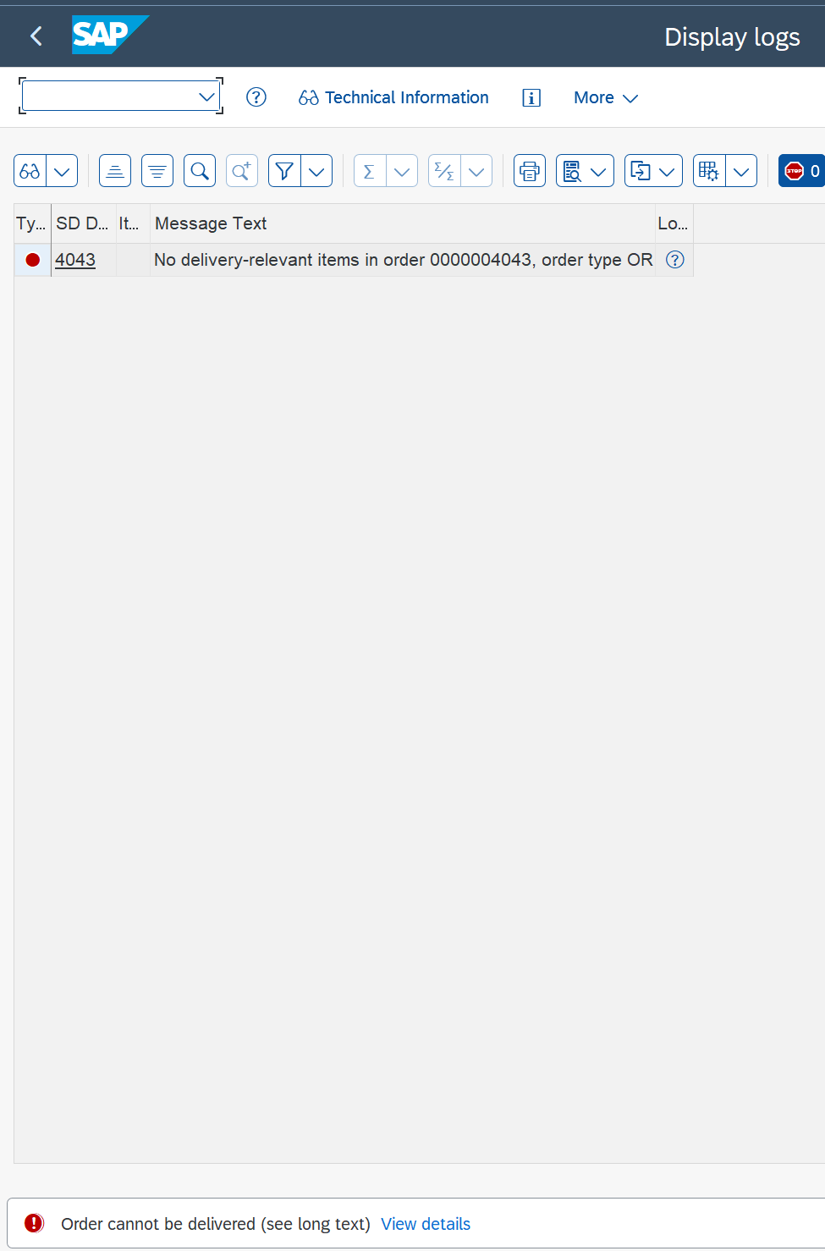
Receive & Validate Request | MM-WR-05 | Invalid request – insufficient stock (200 EA ordered, 50 available) | Step 1: SO requests 1 PAL 650 Step 2: MMBE: VTHN/FG01Step 3: Notify Sales of shortage | Sales notified of stock shortage. OD not created. | SO for 1 PAL | Passed | 2026-03-23 | QuyNT |  |  |  |  |  |  | 
Create Outbound Delivery | MM-WR-06 | Create OD for 650 – 1 PAL, Shipping Point SP01 (VTHN In-house) | Step 1: VL01N / Shipping Point=SP01 / Selection Date=23/03/2026 Step 2: Enter SO No. Step 3: Delivery Qty=1 pal Step 4: Tab Picking: SLoc=FG01, Picked Qty=50 Step 5: Save | OD 80001764 created. 650, 1 PAL, SP01, FG01. Status=A. Msg: 'Outbound Delivery 80001764 saved' | SO valid, stock ≥ 1 pal, SP01 (VTHN) configured | Passed | 2026-03-23 | QuyNT |  |  |  |  |  |  | 
Create Outbound Delivery | MM-WR-07 | Create OD for 650 – 1pal via SP01 (Express/Outsourced) | Step 1: VL01N / SP=SP01 / SO for 650 Step 2: 20 EA / FG01 Step 3: Save | OD created via SP01. Route auto-determined. | SP01 configured, SO exists | Passed | 2026-03-23 | QuyNT |  |  |  |  |  |  | 
Create Outbound Delivery | MM-WR-08 | Create OD – invalid Shipping Point ZZZZ (negative test) | Step 1: VL01N / SP=ZZZZ Step 2: Attempt | Error: 'Shipping Point 03 does not exist'. | SP 03 not configured | Failed | 2026-03-16 | QuyNT | Passed | 2026-04-21 | QuyNT
Create Outbound Delivery | MM-WR-9 | Split delivery – 30 of 50 EA 650 first shipment | Step 1: VL01N / SO for 20PAL ,650 Step 2: Change Delivery Qty=10 Step 3: Save | Partial OD 10 PAL. SO open qty=20 remaining. | SO for 10 PAL, stock ≥ 20 | Passed | 2026-03-17 | QuyNT |  |  |  |  |  |  | 
Create Outbound Delivery | MM-WR-10 | Second delivery – remaining 20 EA PCB02 | Step 1: VL01N / Same SO Step 2: System proposes 10 PAL remaining Step 3: Save | Second OD 10 PAL. SO fully delivered. | First partial OD done (MM-WR-12) | Passed | 2026-03-17 | QuyNT |  |  |  |  |  |  | 
Create Outbound Delivery | MM-WR-11 | Change OD VL02N – update Actual GI Date | Step 1: VL02N / OD=80001763 Step 2: Item Overview: Actual GI Date=23/03/2026 Step 3: Save | Actual GI Date updated on OD. | OD 80001763 exists | Passed | 2026-03-23 | QuyNT |  |  |  |  |  |  | 
Create Outbound Delivery | MM-WR-12 | Display OD VL03N – verify all tabs | Step 1: VL03N / OD=80001763 Step 2: Review all tabs | 650 , 20 PAL , SP01, FG01, Status=A all correct. | OD80001763 created | Passed | 2026-03-23 | QuyNT |  |  |  |  |  |  | 
Create Outbound Delivery | MM-WR-13 | OD for customer with credit block – system behavior | Step 1: SO for customer over credit limit Step 2: Check FD33 Step 3: Attempt OD creation | Credit block warning. OD blocked pending Finance approval. | Customer over credit limit | Passed | 2026-03-23 | QuyNT |  |  |  |  |  |  | 
Quality Check | MM-WR-14 | Quality check – 50 EA PCB02 accepted, no defects | Step 1: VL03N / OD 80002135 Step 2: Physical count: 1 PAL Step 3: Visual inspection: no defects Step 4: Decision: Accepted Step 5: Inform Warehouse to proceed PGI | QC passed. 1 PAL EA confirmed. PGI authorized. | OD 80002135 saved, goods physically ready | Passed | 2026-03-23 | QuyNT |  |  |  |  |  |  |  
Quality Check | MM-WR-15 | Quality check – quantity mismatch (50 ordered, 45 available) | Step 1: Physical count: 15 PAL (not 20) Step 2: Report discrepancy to Sales Step 3: OD updated or rescheduled | Discrepancy reported. OD updated to 15 or rescheduled. | OD exists, physical qty insufficient | Passed | 2026-03-23 | QuyNT |  |  |  |  |  |  | 
Quality Check | MM-WR-16 | Quality check – 650 batch rejected (defective) | Step 1: Inspect 650 batch Step 2: 30% defective found Step 3: Decision: Rejected Step 4: PGI blocked / Sales notified | PGI blocked. Sales notified. No stock movement. | OD exists, goods defective | Passed | 2026-03-23 | QuyNT |  |  |  |  |  |  | 
Quality Check | MM-WR-17 | Quality check – partial accept (10 of 20 EA 650) | Step 1: Inspect 20 PAL Step 2: 20 pass / 10 defective Step 3: Accept 20 / Reject 10 Step 4: OD adjusted to 40 EA | OD updated to 10 PAL. 10 PAL quarantined. | OD with 50 EA exists | Passed | 2026-03-23 | QuyNT |  |  |  |  |  |  |  
Post Goods Issue | MM-WR-18 | Post Goods Issue (PGI) for OD 80001763– 10 PAL 650 | Step 1: VL02N / OD=80001764 Step 2: Verify Picked Qty=1 PAL Step 3: Click 'Post Goods Issue' Step 4: Confirm | PGI posted. VTHN/FG01 −1 PAL. | OD picking confirmed, QC accepted | Passed | 2026-03-23 | QuyNT |  |  |  |  |  |  | 
Post Goods Issue | MM-WR-19 | PGI for adjusted OD (20 PAL after partial QC) | Step 1: VL02N / adjusted OD (20 PAL) Step 2: Post Goods Issue | PGI 20 PAL. FG01 −20 PAL EA. SO open qty remains. | OD adjusted (MM-WR-20), QC passed | Passed | 2026-03-23 | QuyNT |  |  |  |  |  |  |  
Post Goods Issue | MM-WR-20 | PGI without picking confirmation (negative test) | Step 1: VL02N / OD with Picked Qty=0 Step 2: Attempt PGI | Error: 'Picking not completed'. PGI blocked. | OD with no picking | Passed | 2026-03-23 | QuyNT |  |  |  |  |  |  | 
Post Goods Issue | MM-WR-21 | Cancel PGI – reverse Goods Issue (VL09) | Step 1: VL09 / OD=80001763 Step 2: Reverse PGI / Confirm | PGI reversed. FG01 +50 EA. Status reset. Reversal accounting posted. | PGI posted | Passed | 2026-03-23 | QuyNT |  |  |  |  |  | 
Post Goods Issue | MM-WR-22 | PGI reversal blocked – Invoice already created (negative test) | Step 1: VL09 / OD with existing Invoice Step 2: Attempt PGI reversal | Error: 'Invoice exists. Cancel invoice first'. Blocked. | Invoice exists for OD | Passed | 2026-03-23 | QuyNT |  |  |  |  |  |  |  
Verify Stock & Reports | MM-WR-23 | MMBE – verify 650/FG01 reduced by 10 PAL after PGI | Step 1: MMBE / 650 / VTHN Step 2: Review FG01 | FG01 reduced by exactly 10 PAL vs pre-PGI balance. | PGI posted | Passed | 2026-03-23 | QuyNT |  |  |  |  |  |  | 
Verify Stock & Reports | MM-WR-24 | MB51 – Material Document Mvt 601 for 650 at VTHN | Step 1: MB51 / 650 / VTHN / Mvt=601 Step 2: Execute | Mvt 601 doc shown. Qty=−10. Ref=OD 4900040051. | PGI posted | Passed | 2026-03-23 | QuyNT |  |  |  |  |  |  | 
Verify Stock & Reports | MM-WR-25 | Verify Accounting Document from PGI – COGS and Inventory | Step 1: Open Material Document from MM-WR-23 Step 2: Open Accounting Document Step 3: Review line items | COGS Dr, Inventory Cr. Balanced. VND/VTC1. | Mat Doc from | Passed | 2026-03-23 | QuyNT
Verify Stock & Reports | MM-WR-26 | POD Confirmation – VL02N after PGI | Step 1: VL02N / OD after PGI Step 2: POD tab: actual delivery date and qty Step 3: Save | POD confirmed.. Date recorded. | PGI posted | Passed | 2026-03-23 | QuyNT |  |  |  |  |  |  | 
Verify Stock & Reports | MM-WR-27 | VF01 – Create Invoice after PGI for customer billing | Step 1: VF01 Step 2: Enter OD 80001764 Step 3: Review: PCB02, 50 EA, K007 4% applied Step 4: Save | Invoice created. Net=50×1,350,000×(1−4%)=64,800,000 VND. | PGI posted, pricing configured | Passed | 2026-03-23 | QuyNT |  |  |  |  |  |  | 
Verify Stock & Reports | MM-WR-28 | MB52 – full stock report all FG01 across 3 plants | Step 1: MB52 / All plants / MatType=FG01 Step 2: Execute / Export Excel | All FG01 at VTHN with correct stock. Export OK. | Stock data at all plants | Passed | 2026-03-23 | QuyNT |  |  |  |  |  |  | 
Verify Stock & Reports | MM-WR-29 | VL06O – Outbound Delivery Monitor for SP01 | Step 1: VL06O / SP=SP01 / today Step 2: Execute | Open deliveries listed with status and picking info. | Open ODs exist | Passed | 2026-03-23 | QuyNT |  |  |  |  |  |  | 
Verify Stock & Reports | MM-WR-30 | VL71 – Print Outbound Delivery Note OD 8000000001 | Step 1: VL71 / OD=8000000001 Step 2: Print | Delivery note shows customer, material, qty, ship date. | OD 8000000001 exists | Passed | 2026-03-23 | QuyNT |  |  |  |  |  |  | 
Verify Stock & Reports | MM-WR-31 | VL06G – Goods Issue Monitor for SP01 | Step 1: VL06G / SP=SP01 / today Step 2: Execute | All deliveries with PGI status shown. | PGI posted deliveries exist | Passed | 2026-03-23 | QuyNT
Create Outbound Delivery | MM-WR-32 | VL10A – collective processing of ODs for SP01 | Step 1: VL10A / SP=SP01 / today Step 2: Select all open SOs Step 3: Create deliveries | All open SOs for SP01 processed in batch. | Multiple SOs open for SP01 | Passed | 2026-03-23 | QuyNT |  |  |  |  |  |  | 
Create Outbound Delivery | MM-WR-33 | Pack goods – 50 EA PCB02 into 5 boxes (10 EA each) | Step 1: VL02N / OD 8000000001 / Packing tab Step 2: Assign pallet / 5 boxes / 10 EA each Step 3: Save | Packing confirmed. HU created. | Packing material configured | Passed | 2026-03-23 | QuyNT |  |  |  |  |  |  | 
Create Outbound Delivery | MM-WR-34 | Vl01N – create shipment for OD 80002135 | Step 1: Vl01N Step 2: Add OD 80002135 Step 3: Shipment type=In-house Step 4: Save | Shipment doc created. OD linked. | OD PGI posted | Passed | 2026-03-23 | QuyNT |  |  |  |  |  |  | 
Verify Stock & Reports | MM-WR-35 | Transfer Mvt 311 within VTHN – FG01 to FG02 | Step 1: MIGO / Transfer / Mvt=311 Step 2: 650, 10 EA, VTHN Step 3: FG01 → FG02 / Post | FG01 −10 / FG02 +10. Total VTHN unchanged. | SLoc FG02 exists at VTHN | Passed | 2026-04-21 | QuyNT |  |  |  |  |  |  | 
Verify Stock & Reports | MM-WR-36 | Transfer to QI – Mvt 344, 1 pal 650 | Step 1: MIGO / Mvt=344 / 650, 1 PAL, VTHN Step 2: Unrestricted → QI / Post | QI +1 / Unrestricted −1. | 650 in FG01 | Failed | 2026-03-23 | QuyNT | Passed | 2026-04-21 | QuyNT |  |  |  | 
Verify Stock & Reports | MM-WR-37 | Release from Return to unrestricted – Mvt 453 | Step 1: MIGO / Mvt=453 / 650, 1 PAL, VTHN Step 2: Return → US / Post | US +1 / Return -1 | 650 in Return | Passed | 2026-03-23 | QuyNT |  |  |  |  |  |  | 

MM – Return Process
Feature | MM Flow 4 – Return Process | Plant: VTHN | Material: 650 (bang mach den led)
Test requirement | MM-BP-Return: Create Return Order → Receive Return Request → Product Acceptable? → Inspect → Record GR → Post GI → Accounting → Credit Memo
Number of TCs | 30
Testing Round | Passed | Failed | Pending | N/A
Round 1 | 28 | 2 | 0 | 0
Round 2 | 0 | 0 | 0 | 0
Round 3 | 0 | 0 | 0 | 0

Process | Test Case ID | Test Case Description | Test Case Procedure | Expected Results | Pre-conditions | Round 1 | Test date | Tester | Round 2 | Test date | Tester | Round 3 | Test date | Tester | Note
1. Create Return Order (SD-BP-04) | MM-RT-01 | Create Return Order (SD-BP-04) – Material 650, 5 PAL, Reason: Material ruined | Step 1: VA01 / Order Type: RE Step 2: Sales Area: VT01 / VW / E2 Step 3: Sold-to Party: 100121 Step 4: Reference: original Sales Order number Step 5: Item: Material 650, 5 PAL Step 6: Reason for Return: Defective goods Step 7: Save | Return Order created and confirmed in system Material: 650, Qty: 5 PAL Reason: Material ruined Msg: 'Return Order 60000175 saved' | Customer 100121 exists Original SO and Invoice exist Material 650 in system | Passed | 25/03/2026 | QuyNT |  |  |  |  |  |  | 
1. Create Return Order (SD-BP-04) | MM-RT-02 | Create Return Order (SD-BP-04) – Material 650, 10 PAL, Reason: Quantity discrepancy | Step 1: VA01 / RE Step 2: Sold-to: 100121 Step 3: Material: 650, 10 PAL Step 4: Reason: Quantity discrepancy Step 5: Save | Return Order created Material 650, 10 PAL Reason: Quantity discrepancy | Customer and original SO exist | Passed | 25/03/2026 | QuyNT |  |  |  |  |  |  | 
1. Create Return Order (SD-BP-04) | MM-RT-03 | Create Return Order (SD-BP-04) – Material 650, 20 PAL, Reason: Alternative order | Step 1: VA01 / RE Step 2: Customer: 100121 Step 3: Material: 650, 20 PAL Step 4: Reason: Alternative order Step 5: Save | Return Order created Material 650, 20 PAL, Alternative order | Customer and SO exist | Passed | 25/03/2026 | QuyNT |  |  |  |  |  |  | 
1. Create Return Order (SD-BP-04) | MM-RT-04 | Create Return Order (SD-BP-04) – Material 650, 3 PAL, Reason: Damaged during transport | Step 1: VA01 / RE Step 2: Customer: 100121 Step 3: Material: 650, 3 PAL Step 4: Reason: Damaged during transport Step 5: Save | Return Order created Material 650, 3 PAL Damaged reason documented | Customer and invoice exist | Passed | 25/03/2026 | QuyNT |  |  |  |  |  |  | 
1. Create Return Order (SD-BP-04) | MM-RT-05 | Create Return Order – qty 500 PAL exceeds original delivery qty (negative test) | Step 1: VA01 / RE Step 2: Material: 650, 500 PAL (original delivery = 305 PAL) Step 3: Attempt Save | Warning: 'Return quantity exceeds original delivery quantity' User confirmation required to proceed | Original delivery for Material 650 = 305 PAL | Passed | 25/03/2026 | QuyNT |  |  |  |  |  |  |  Negative test – return qty exceeds delivery
1. Create Return Order (SD-BP-04) | MM-RT-06 | Create Return Order – without referencing original SO | Step 1: VA01 / RE / no reference SO Step 2: Manual entry: Material 650, 5 PAL Step 3: Save | Return Order created without SO reference Pricing determined from condition records | Customer and Material 650 exist | Passed | 25/03/2026 | QuyNT |  |  |  |  |  |  | 
1. Create Return Order (SD-BP-04) | MM-RT-07 | Display Return Order VA03 – verify all data for Material 650 | Step 1: VA03 / Return Order number Step 2: Review: Customer 100121, Material 650, Qty 5 PAL, Reason, Status Step 3: Confirm data correct | Return Order shows correct data Material: 650, Qty: 5 PAL Reason documented Status = Open | Return Order MM-RT-01 created | Passed | 25/03/2026 | QuyNT |  |  |  |  |  |  | 
2. Receive Return Request | MM-RT-08 | Quality Dept receives Return Request – reviews Return Order for Material 650 | Step 1: Quality Dept opens Return Order (VA03) Step 2: Review: - Material: 650 - Return Qty: 5 PAL - Reason: Material ruined - Customer: 100121 Step 3: Verify supporting documents (original invoice, delivery note) Step 4: Return request validated and ready for evaluation | Quality Dept receives Return Order Material 650, 5 PAL, Defective goods reason reviewed Supporting documents verified Ready for Step 3 (Product Acceptable?) | Return Order MM-RT-01 created Physical goods returned to VTHN | Passed | 25/03/2026 | QuyNT |  |  |  |  |  |  | 
2. Receive Return Request | MM-RT-09 | Quality Dept receives Return Request – 10 PAL Material 650 wrong item | Step 1: Quality opens Return Order for 10 PAL Step 2: Review: Material 650, 10 PAL, Wrong item Step 3: Check goods arrived at VTHN warehouse Step 4: Ready for inspection | Return request acknowledged Material 650, 10 PAL, Wrong item reason Goods at VTHN ready for inspection | Return Order MM-RT-02 created | Passed | 25/03/2026 | QuyNT |  |  |  |  |  |  | 
2. Receive Return Request | MM-RT-10 | Quality receives Return Request – goods not yet arrived at VTHN (pending) | Step 1: Return Order exists for Material 650 Step 2: Physical goods not arrived at VTHN Step 3: Quality cannot proceed with inspection Step 4: Process suspended – awaiting goods | Return process suspended Status: Pending Sales informed: goods not yet received at VTHN | Return Order exists Goods not arrived at VTHN | Failed | 25/03/2026 | QuyNT |  |  |  |  |  |  | 
2. Receive Return Request | MM-RT-11 | Warehouse posts Goods Receipt – goods officially arrived at VTHN | Step 1: Access T-Code VL01N. Step 2: Create Returns Delivery for Order 60000175 with Shipping Point SP01. Step 3: In Picking tab, input SLoc and Putaway Qty (5 PAL). Step 4: Click "Post Goods Receipt". | Returns Delivery saved successfully. System automatically generates an Inspection Lot for Quality department. Status of goods updated to "Physically at VTHN". | Returns Delivery 84000146 saved successfully. Inspection Lot created in Document Flow. Goods physically at VTHN. | Passed | 25/03/2026 | QuyNT |  |  |  |  |  |  | 
3. Product Acceptable? | MM-RT-12 | Product Acceptable? – YES: Material 650 (5 PAL) accepted, minor cosmetic defect only | Step 1: Quality physically inspects Material 650 – 5 PAL Step 2: Finding: minor cosmetic scratches, LED circuits fully functional Step 3: Decision: ACCEPTED (Yes branch) Step 4: Proceed to Step 3.2 – Inspect Returned Goods | Physical inspection: 5 PAL Material 650 Finding: minor cosmetic only, fully functional Decision: Accepted (Yes branch) Proceed to Step 3.2 | Return Request received (MM-RT-08) Goods physically at VTHN | Passed | 25/03/2026 | QuyNT |  |  |  |  |  |  | 
3. Product Acceptable? | MM-RT-13 | Product Acceptable? – YES: Material 650 (10 PAL) accepted, intact packaging | Step 1: Inspect 10 PAL Material 650 (wrong item return) Step 2: Finding: goods undamaged, original sealed packaging Step 3: Decision: Accepted (Yes branch) Step 4: Proceed to Step 3.2 | 10 PAL accepted Undamaged and sealed Proceed to Step 3.2 | Return Request for 10 PAL received (MM-RT-09) | Passed | 25/03/2026 | QuyNT
3. Product Acceptable? | MM-RT-14 | Product Acceptable? – NO: Material 650 rejected, Poor quality (No → 3.1 Inform Requestor) | Step 1: Inspect Material 650 – 5 PAL Step 2: Finding: burnt LED circuits, boards non-functional Step 3: Decision: NOT ACCEPTABLE (No branch) Step 4: Step 3.1 – Inform Requestor (Sales/Customer) Step 5: Return rejected, goods not accepted into stock | Inspection: burnt LED circuits found Decision: Not acceptable (No branch) Step 3.1 executed: Sales/Customer informed of rejection Reason documented: 'Poor quality' Process terminated – goods not received into stock | Return Request received Physical inspection reveals severe damage | Passed | 25/03/2026 | QuyNT |  |  |  |  |  |  |  Negative test – No branch: rejected → Step 3.1 Inform Requestor
3. Product Acceptable? | MM-RT-15 | Product Acceptable? – NO: Material 650 failed inspection, water damage (No → 3.1 Inform Requestor) | Step 1: Inspect Material 650 – 3 PAL Step 2: Finding: water damage, PCB corroded Step 3: Decision: Not Acceptable Step 4: Step 3.1 – Inform Customer of rejection Step 5: Return rejected | Water damage found Decision: Not acceptable Customer informed: 'water damage, not eligible for return' Process terminated | Return Order MM-RT-04 exists | Passed | 25/03/2026 | QuyNT |  |  |  |  |  |  |  Negative test – No branch: rejected → Inform Requestor
3. Product Acceptable? | MM-RT-16 | Product Acceptable? – partial: 4 of 5 PAL accepted, 1 PAL rejected | Step 1: Inspect 5 PAL Material 650 Step 2: 4 PAL: functional → Yes branch Step 3: 1 PAL: defective → reject, inform requestor for 1 PAL Step 4: Accept 4 PAL → proceed to Step 3.2 | 4 PAL: Accepted → proceed to Step 3.2 1 PAL: Rejected → Step 3.1 Inform Requestor Partial acceptance handled | Return Request for 5 PAL exists | Passed | 25/03/2026 | QuyNT |  |  |  |  |  |  | 
3.2 Inspect Returned Goods | MM-RT-17 | Inspect Returned Goods – Warehouse verifies Material 650 (5 PAL) condition and quantity | Step 1: Warehouse receives accepted goods from Quality Step 2: Physical count at VTHN: 5 PAL Material 650 Step 3: Verify condition matches QC report Step 4: Verify quantity: 5 PAL = Return Order qty Step 5: Ready to Record Return GR (Step 4) | Physical count: 5 PAL confirmed Condition matches QC report Quantity matches Return Order Ready for Step 4 – Record Return GR | Quality accepted 5 PAL (MM-RT-11) Goods physically at VTHN | Passed | 24/03/2026 | QuyNT |  |  |  |  |  |  | 
3.2 Inspect Returned Goods | MM-RT-18 | Inspect Returned Goods – verify 10 PAL Material 650 quantity at VTHN | Step 1: Warehouse counts 10 PAL Material 650 Step 2: Count matches Return Order Step 3: Condition confirmed good Step 4: Ready for Return GR | 10 PAL confirmed at VTHN Qty matches Return Order Ready for Step 4 | Quality accepted 10 PAL (MM-RT-12) | Passed | 16/03/2026 | QuyNT |  |  |  |  |  |  | 
3.2 Inspect Returned Goods | MM-RT-19 | Inspect Returned Goods – quantity discrepancy: 5 PAL ordered, only 4 PAL received | Step 1: Warehouse counts returned goods Step 2: Count: 4 PAL (not 5 PAL) Step 3: Discrepancy identified Step 4: Inform Sales/Customer: 'Only 4 PAL received' | Discrepancy: 4 PAL received vs 5 PAL on Return Order Sales informed Return GR to be processed for 4 PAL only | Return Order for 5 PAL Physical count = 4 PAL | Failed | 16/03/2026 | QuyNT
4. Record Return Goods Receipt | MM-RT-20 | Record Return GR – 5 PAL Material 650 into VTHN/FG01 (MIGO Mvt 561) | Step 1: MIGO / Action: Goods Receipt Step 2: Reference: Return Delivery document Step 3: Movement Type: 651 (Returns from Customer) Step 4: Material: 650 / Qty: 5 PAL Step 5: Plant: VTHN / Storage Location: FG01 Step 6: Item OK Step 7: Post | Material Document posted (Mvt 561) VTHN/FG01 Unrestricted +5 PAL Material 650 Return Delivery status = GR Posted Inventory updated in system | Return Delivery exists Goods inspected (MM-RT-16) SLoc FG01 at VTHN available | Passed | 26/03/2026 | QuyNT |  |  |  |  |  |  | 
4. Record Return Goods Receipt | MM-RT-21 | Record Return GR – 10 PAL Material 650 into VTHN/FG01 (Mvt 651) | Step 1: MIGO / Mvt: 561 Step 2: Material: 650 / 10 PAL / VTHN/FG01 Step 3: Post | Mat Doc posted. VTHN/FG01 +10 PAL Return Delivery GR posted | Inspection confirmed (MM-RT-17) | Passed | 16/03/2026 | QuyNT |  |  |  |  |  |  | 
4. Record Return Goods Receipt | MM-RT-22 | Record Return GR – 4 PAL Material 650 (after discrepancy MM-RT-18) | Step 1: MIGO / Mvt: 561 Step 2: Material: 650 / 4 PAL (adjusted) / VTHN/FG01 Step 3: Post | GR 4 PAL posted FG01 +4 PAL Adjusted per discrepancy finding | Discrepancy resolved (MM-RT-18) Return Delivery adjusted to 4 PAL | Passed | 17/03/2026 | QuyNT |  |  |  |  |  |  | 
4. Record Return Goods Receipt | MM-RT-23 | Record Return GR – quantity exceeds Return Delivery qty (negative test) | Step 1: MIGO / Mvt: 651 / Return Delivery for 5 PAL Step 2: Change Qty to 50 PAL Step 3: Attempt Post | Error: 'Quantity exceeds return delivery quantity' Posting blocked | Return Delivery for 5 PAL exists | Passed | 16/03/2026 | QuyNT |  |  |  |  |  |  |  Negative test – over-quantity return GR
4. Record Return Goods Receipt | MM-RT-24 | Record Return GR – verify VTHN/FG01 stock increased via MMBE | Step 1: MMBE / Material: 650 / Plant: VTHN → F8 Step 2: Check FG01 Unrestricted Step 3: Confirm +5 PAL vs pre-return balance | VTHN/FG01 increased by exactly 5 PAL Stock = previous balance + 5 PAL Inventory correctly updated | Return GR posted (MM-RT-19) | Passed | 16/03/2026 | QuyNT |  |  |  |  |  |  | 
4. Record Return Goods Receipt | MM-RT-25 | Record Return GR to restricted stock – Material 650, Mvt 501 (pending re-inspection) | Step 1: MIGO / Mvt: 501 Step 2: Material: 650 / 3 PAL / VTHN Step 3: Post to restricted stock | Return GR to restricted stock Restricted +3 PAL Requires further QC release before use | Return Delivery exists Goods require additional inspection | Passed | 17/03/2026 | QuyNT |  |  |  |  |  |  | 
4. Record Return Goods Receipt | MM-RT-26 | Release restricted Material 650 to unrestricted after re-inspection – Mvt 321 | Step 1: MIGO / Mvt: 321 Step 2: Material: 650 / 3 PAL / VTHN Step 3: Restricted → Unrestricted Step 4: Post | Unrestricted +3 PAL Restricted −3 PAL Goods available for use | Material 650 in restricted stock (MM-RT-24) | Passed | 17/03/2026 | QuyNT |  |  |  |  |  |  | 
5. Post Goods Issue | MM-RT-27 | Post Goods Issue – transfer rejected Material 650 to repair location (Mvt 311) | Step 1: MIGO / Transfer Posting / Mvt: 311 Step 2: Material: 650 / 2 PAL / VTHN Step 3: From SLoc: FG01 → To SLoc: Repair Step 4: Post | Transfer posted FG01 −2 PAL Repair SLoc +2 PAL Goods sent for repair | 2 PAL returned goods in FG01 Repair SLoc configured | Passed | 17/03/2026 | QuyNT |  |  |  |  |  |  | 
5. Post Goods Issue | MM-RT-28 | Post Goods Issue – transfer Material 650 to Quality Inspection (Mvt 344) | Step 1: MIGO / Mvt: 344 Step 2: Material: 650 / 3 PAL / VTHN Step 3: FG01 → QI stock Step 4: Post | QI stock +3 PAL FG01 −3 PAL Goods in Quality Inspection | 3 PAL returned to FG01 requires re-inspection | Passed | 17/03/2026 | QuyNT |  |  |  |  |  |  | 
5. Post Goods Issue | MM-RT-29 | Post Goods Issue – verify MB51 Mvt 344 scrap document for Material 650 | Step 1: MB51 / Material: 650 / Plant: VTHN / Mvt: 344 Step 2: Execute | Scrap document displayed Mvt 344 for Material 650 Qty = −3 PAL | Scrap posted (MM-RT-26) | Passed | 17/03/2026 | QuyNT |  |  |  |  |  |  | 
5. Post Goods Issue | MM-RT-30 | Post Goods Issue – no stock movement for rejected return (goods not accepted) | Step 1: Check return rejected by Quality (MM-RT-13) Step 2: Confirm no MIGO posting created Step 3: MMBE: stock unchanged | No stock movement Material 650 stock unchanged at VTHN/FG01 Rejected goods not entered into system | Return rejected by Quality (MM-RT-13) | Passed | 16/03/2026 | QuyNT |  |  |  |  |  |  | 

FI- Financial Accounting
Feature | Financial Accounting
Test requirement
Number of TCs | 26
Testing Round | Passed | Failed | Pending | N/A
Round 1 | 24 | 1 | 0 | 0
Round 2 | 1 | 0 | 0 | 0
Round 3 | 0 | 0 | 0 | 0


Process | Test Case ID | Test Case Description | Test Case Procedure | Expected Results | Pre-conditions | Round 1 | Test date | Tester | Round 2 | Test date | Tester | Round 3 | Test date | Tester | Note
FI – Billing Posting
 | FI-01 | Create FI accounting document from billing | Step 1: Execute VF01 to create billing document from delivery. Step 2: Save billing document. Step 3: Open FB03 and check generated accounting document. | FI accounting document is generated successfully from billing. | Delivery and PGI already completed; VKOA maintained; tax code available; posting period open. | Failed | 2026-03-23 | DucNM | Passed | 2026-03-23 | DucNM
 | FI-02 | Verify customer AR posting after billing | Step 1: Create billing in VF01. Step 2: Execute FBL5N for customer. Step 3: Check new open item. | Customer open item is created with correct invoice amount. | Billing document created successfully. | Passed | 2026-03-23 | DucNM |  |  |  |  |  |  | 
 | FI-03 | Verify revenue account posting | Step 1: Create billing in VF01. Step 2: Open accounting document in FB03. Step 3: Verify revenue G/L line item. | Revenue is posted to correct G/L account based on VKOA determination. | VKOA maintained correctly. | Passed | 2026-03-23 | DucNM |  |  |  |  |  |  | 
 | FI-04 | Verify tax posting from billing | Step 1: Create billing in VF01. Step 2: Open accounting document in FB03. Step 3: Check tax line item and tax amount. | Tax amount is posted correctly to tax account. | Tax code and tax procedure maintained. | Passed | 2026-03-23 | DucNM |  |  |  |  |  | 
 | FI-05 | Billing fails when tax determination is missing | Step 1: Use scenario with missing/invalid tax setup. Step 2: Execute VF01. Step 3: Attempt to save billing. | System displays error and billing document is not created. | Tax determination intentionally incomplete. | Passed | 2026-03-23 | DucNM
 | FI-06 | Billing fails when VKOA is missing | Step 1: Use scenario with missing account determination. Step 2: Execute VF01. Step 3: Attempt to save billing. | System displays account determination error and billing cannot be created. | VKOA intentionally missing for the scenario. | Passed | 2026-03-23 | DucNM |  |  |  |  |  |  | 
FI – AR Open Item
 | FI-07 | Verify invoice appears in AR open items | Step 1: After billing, execute FBL5N. Step 2: Select Open Items. Step 3: Check invoice number. | Billing document appears as open AR item. | Billing document exists. | Passed | 2026-03-23 | DucNM |  |  |  |  |  | 
 | FI-08 | Verify accounting document header and references | Step 1: Open FI document in FB03. Step 2: Review document header, company code, posting date, reference. | Accounting document contains correct company code, posting date, and reference to billing. | Billing posted successfully. | Passed | 2026-03-23 | DucNM |  |  |  |  |  |  |  | 
 | FI-09 | Verify document amount matches billing amount | Step 1: Compare invoice amount in VF03 with FI document in FB03 and open item in FBL5N. | Amounts are consistent across billing and FI. | Billing and FI document exist. | Passed | 2026-03-23 | DucNM |  |  |  |  |  | 
FI – Incoming Payment
 | FI-10 | Post full incoming payment for invoice | Step 1: Execute F-28. Step 2: Enter customer, company code, payment amount equal to invoice amount. Step 3: Select invoice and post payment. | Payment posted successfully. | Customer open item exists. | Passed | 2026-03-23 | DucNM |  |  |  |  |  | 
 | FI-11 | Verify invoice is cleared after full payment | Step 1: Post payment in F-28. Step 2: Execute FBL5N. Step 3: Check invoice moved from Open Items to Cleared Items. | Invoice is fully cleared. | Payment posted successfully. | Passed | 2026-03-23 | DucNM |  |  |  |  |  |  |  | Invoice 90000845 is successfully cleared. The status in FBL5N has changed to Green (Cleared). The clearing document 1000000014 is correctly linked to the billing document
 | FI-12 | Verify clearing document creation | Step 1: Post payment in F-28. Step 2: Open clearing document in FB03. | Clearing document is generated and linked to invoice/payment. | Successful clearing completed. | Passed | 2026-03-23 | DucNM |  |  |  |  |  | 
 | FI-13 | Post partial incoming payment | Step 1: Execute F-28. Step 2: Enter amount less than invoice value. Step 3: Post payment. Step 4: Check FBL5N. | Invoice remains open or partially cleared depending on configuration. | Customer open item exists. | Passed | 2026-03-23
 | FI-14 | Payment with wrong amount / unmatched payment | Step 1: Execute F-28. Step 2: Enter incorrect or unmatched amount. Step 3: Try to post/clear. | System cannot fully clear the invoice; remaining balance stays open. | Open invoice exists. | Passed | 2026-03-23
 | FI-15 | Payment posted to wrong customer (negative) | Step 1: Execute F-28 with wrong customer account. Step 2: Attempt to clear target invoice. | System does not allow clearing against incorrect customer. | At least two customer accounts exist. | Passed | 2026-03-23
FI – Clearing
 | FI-16 | Manual clearing of open items | Step 1: Execute FB05 or use manual clearing scenario. Step 2: Select open items. Step 3: Post clearing. | Open items are cleared successfully. | Relevant AR open items exist. | Passed | 2026-03-23
 | FI-17 | Verify cleared items history | Step 1: Execute FBL5N. Step 2: Display Cleared Items. Step 3: Check document numbers and clearing date. | Cleared items are displayed with correct clearing date and reference. | At least one cleared invoice exists. | Passed | 2026-03-23
FI – Reversal
 | FI-18 | Reverse incoming payment document | Step 1: Open payment document. Step 2: Execute FB08. Step 3: Reverse payment. Step 4: Check FBL5N. | Payment document is reversed and invoice becomes open again. | Existing payment document and authorization to reverse. | Passed | 2026-03-23
 | FI-19 | Reverse billing accounting impact | Step 1: Cancel billing using VF11. Step 2: Check FI documents in FB03 and items in FBL5N. | Reversal FI document is created and AR/revenue posting is reversed. | Billing document exists and can be canceled. | Passed | 2026-03-23
FI – Period Control
 | FI-20 | Billing blocked when posting period is closed | Step 1: Close posting period in OB52 for test scenario. Step 2: Execute VF01. | System blocks FI posting because period is closed. | Test period intentionally closed. | Passed | 2026-03-23
 | FI-21 | Payment blocked when posting period is closed | Step 1: Close posting period in OB52. Step 2: Execute F-28 and attempt payment posting. | System displays posting period error and payment cannot be posted. | Open invoice exists. | Passed | 2026-03-23
FI – Payment Terms
 | FI-22 | Verify payment terms on invoice posting | Step 1: Create billing. Step 2: Check invoice/customer line item in FB03/FBL5N. | Payment terms are copied correctly from customer master/sales document. | Customer payment terms maintained. | Passed | 2026-03-23
FI – Tolerance
 | FI-23 | Verify tolerance handling for small payment difference | Step 1: Execute F-28 with small under/over payment within tolerance. Step 2: Post payment. | System processes payment according to tolerance settings. | Tolerance groups configured. | Passed | 2026-03-23
FI – Dunning / AR Monitoring
 | FI-24 | Verify overdue invoice remains open for follow-up | Step 1: Create billing without payment. Step 2: Execute FBL5N after due date. | Invoice remains open and visible for AR follow-up. | Invoice exists and due date passed. | Passed | 2026-03-23
FI – Reporting
 | FI-25 | Verify billing and payment tracking report shows correct FI status | Step 1: Run custom FI / Billing & Payment Tracking Report. Step 2: Search invoice/customer. | Report shows correct billing status, AR status, payment status, and clearing information. | Custom report available and billing/payment transactions exist. | Passed | 2026-03-23

